Unit Test - JUnit
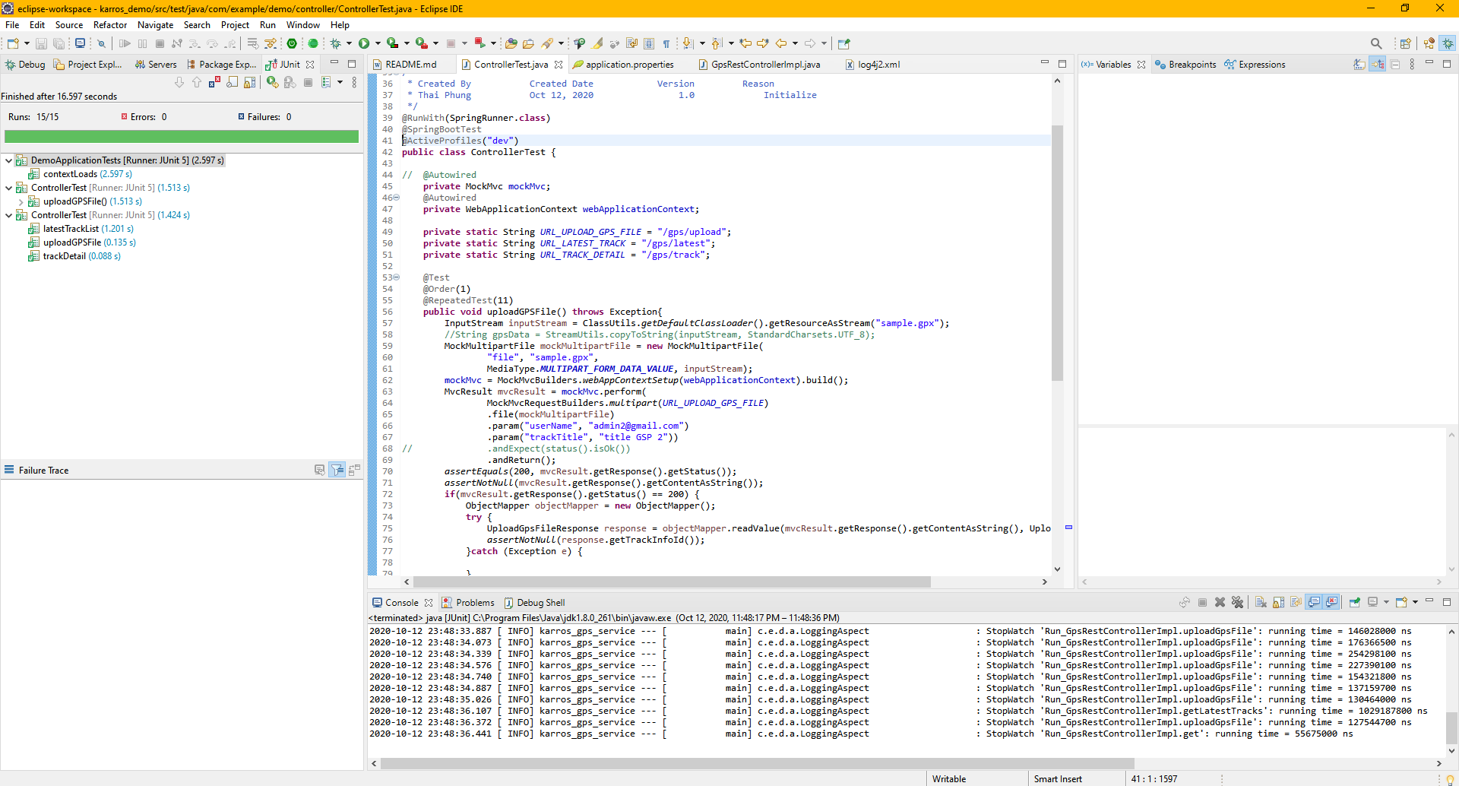

Upload File
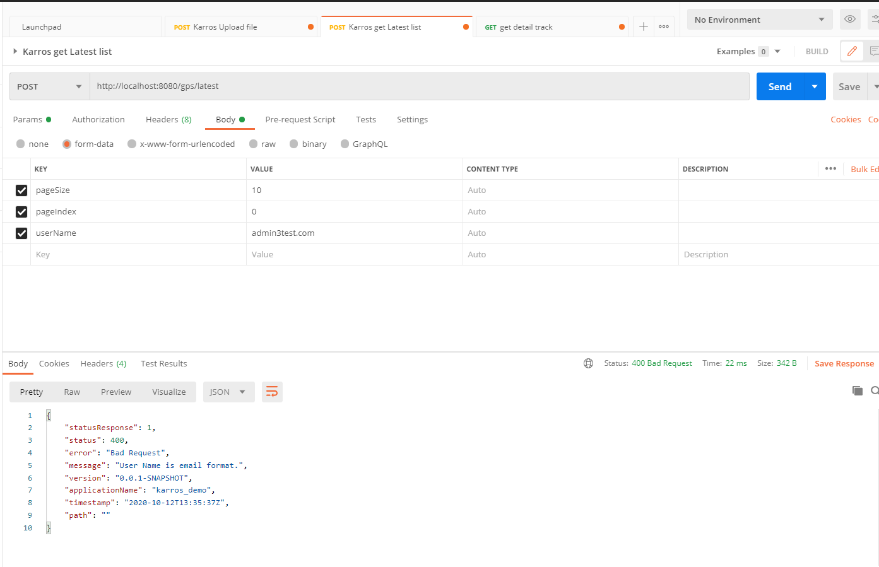
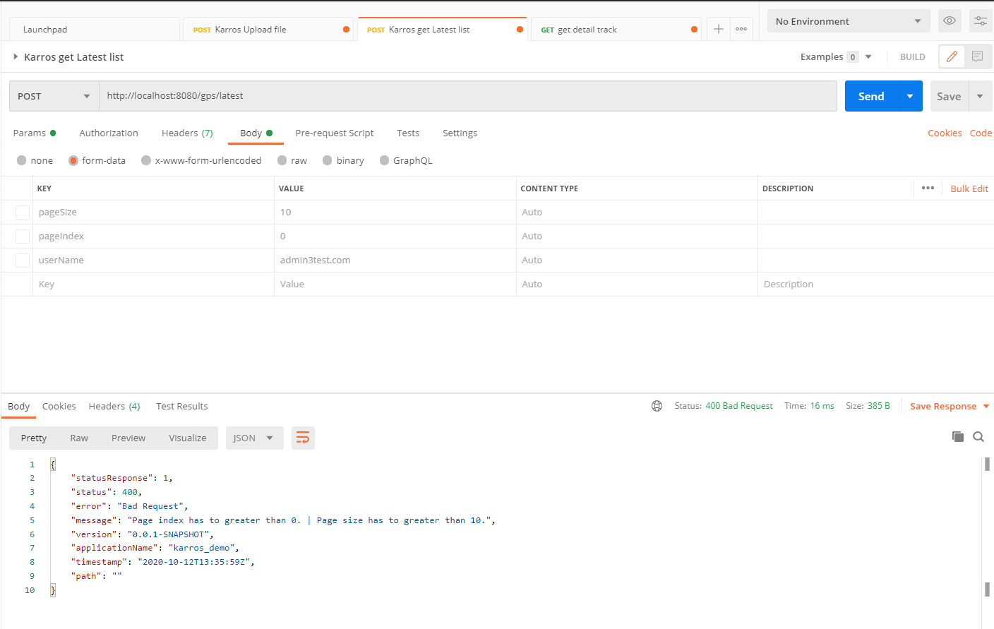
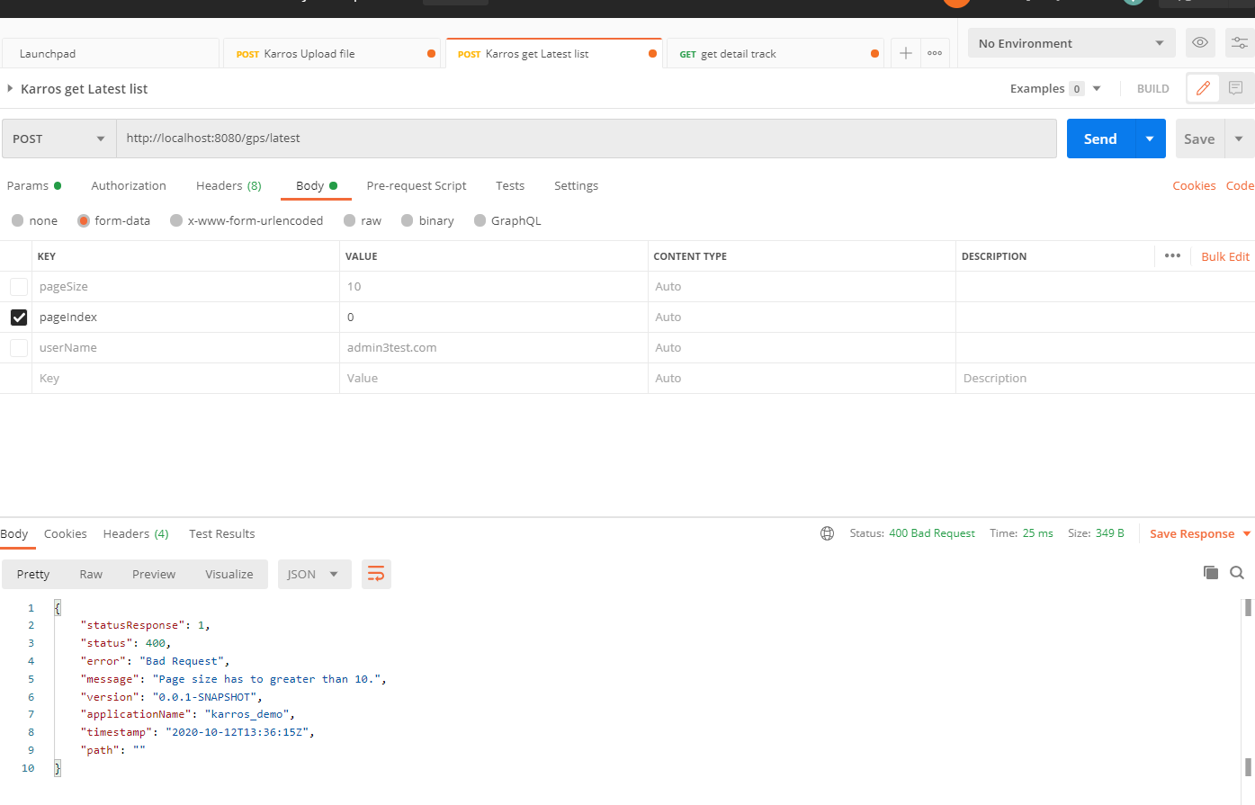
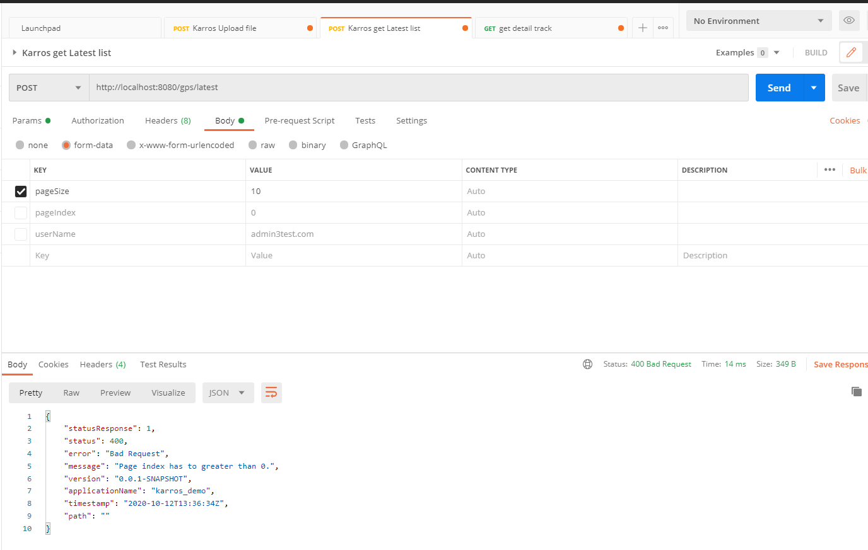
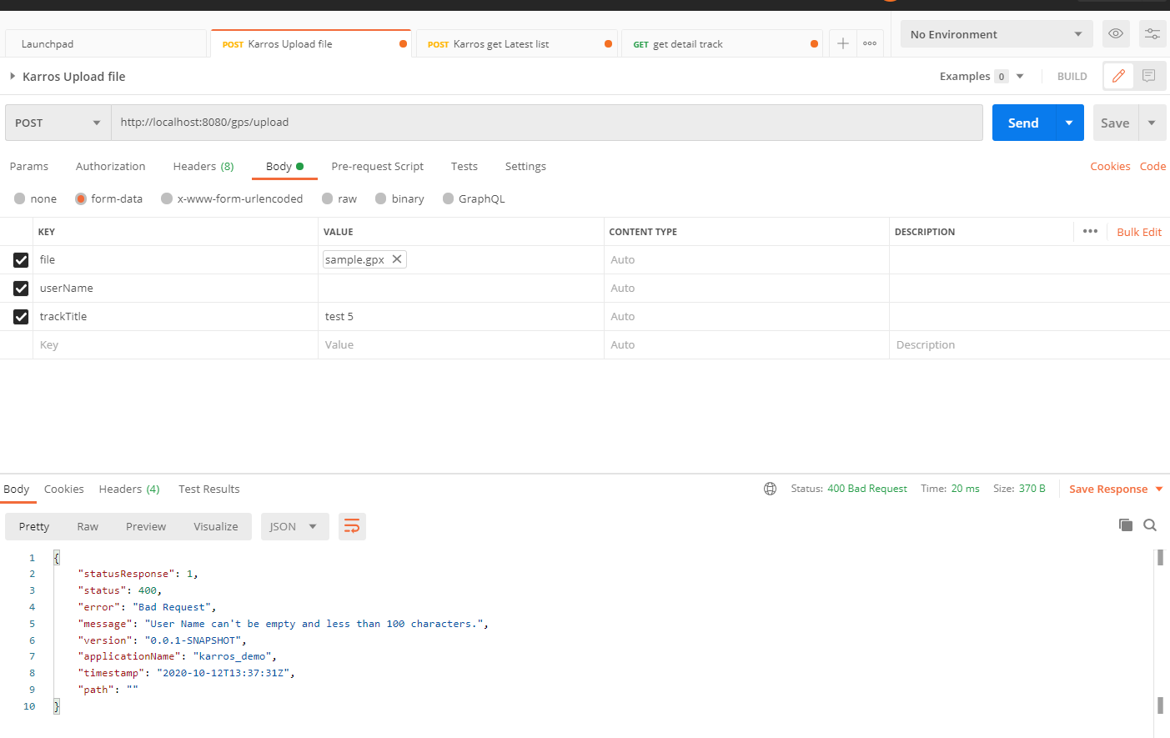
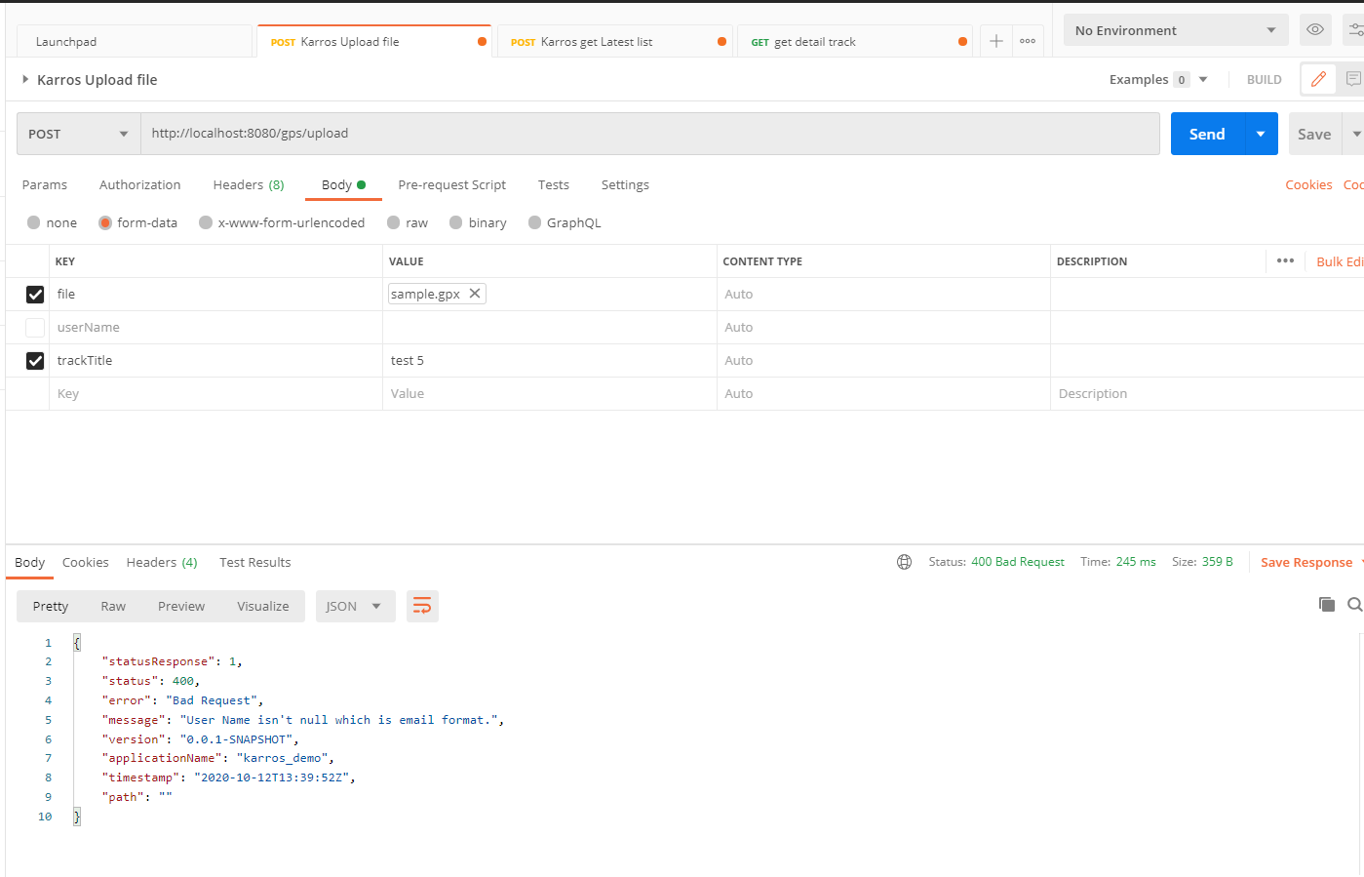
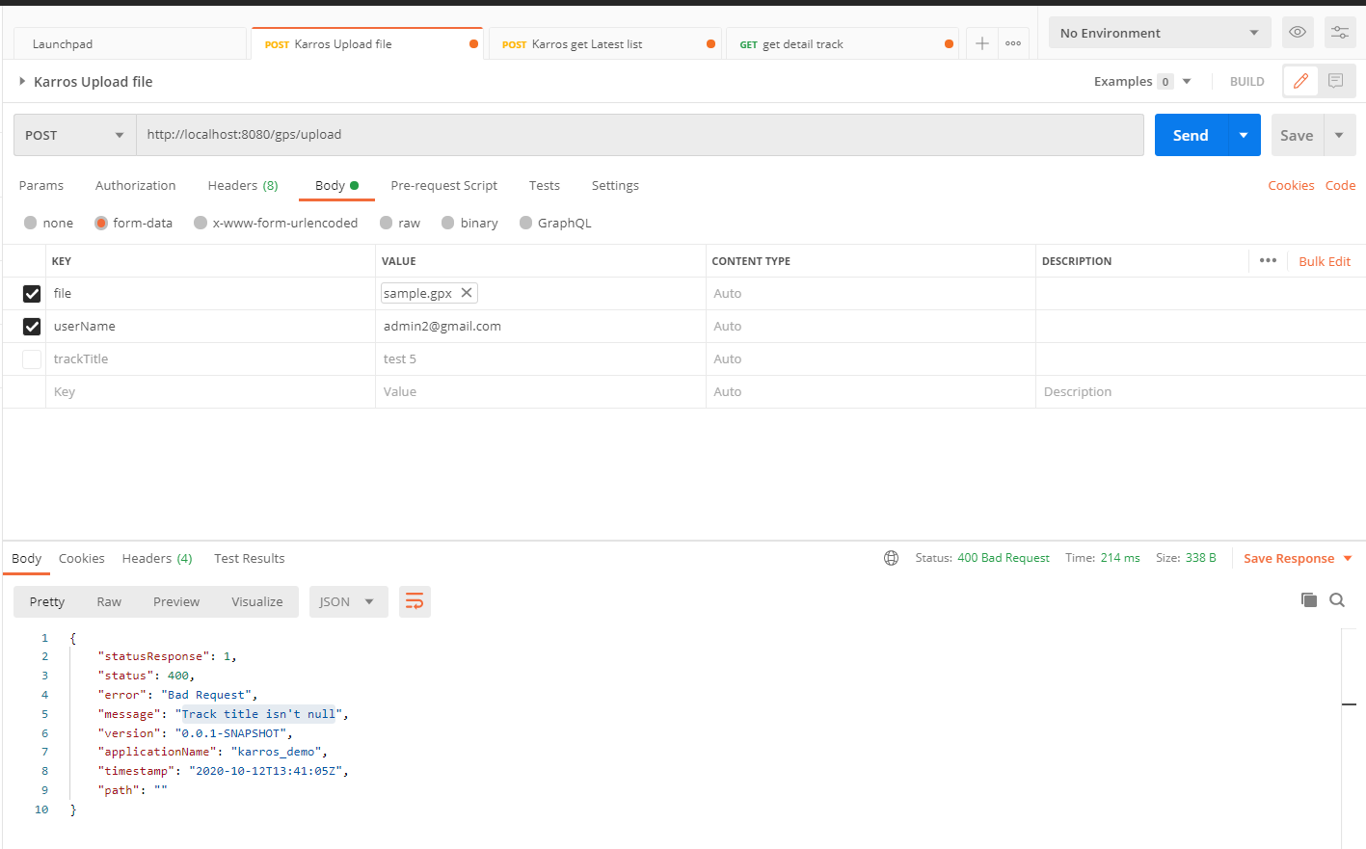
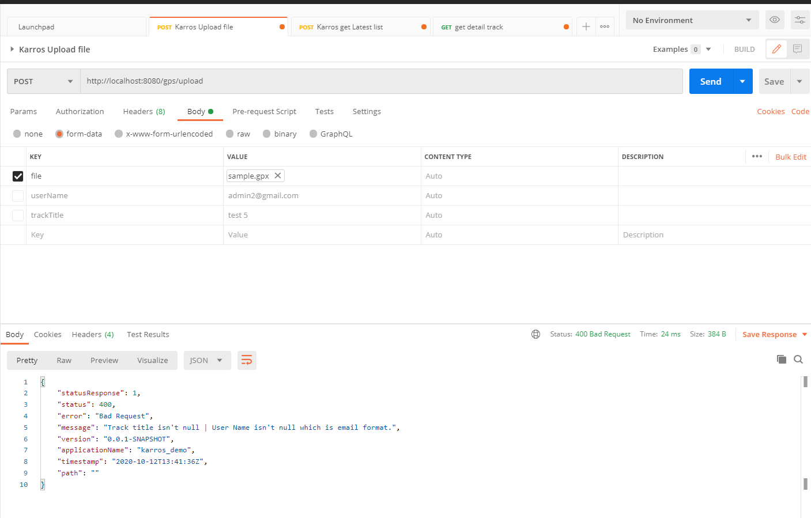
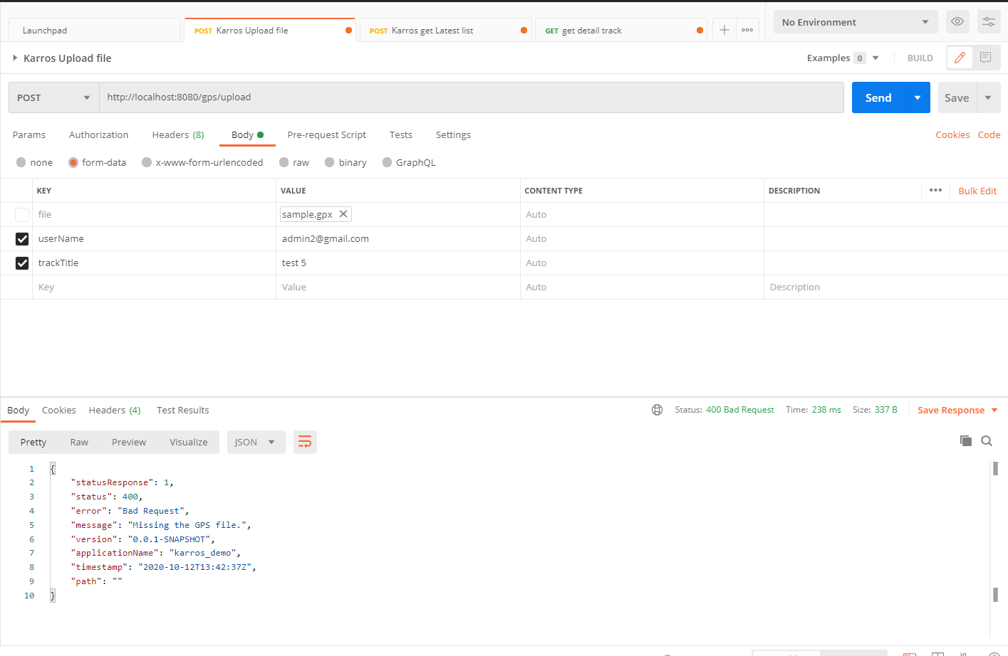
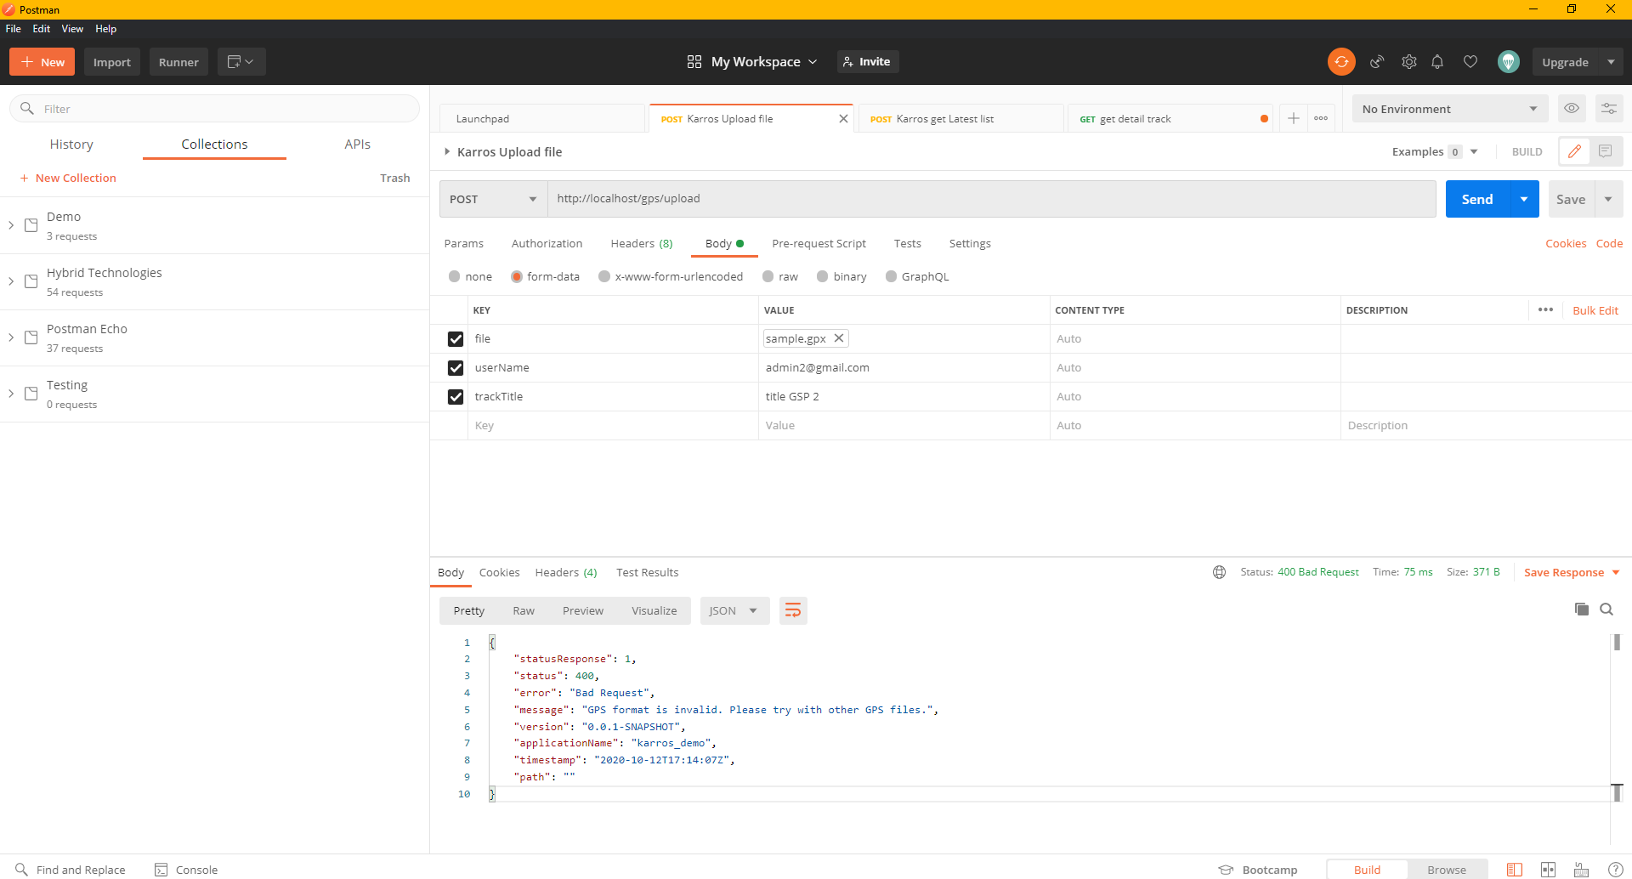
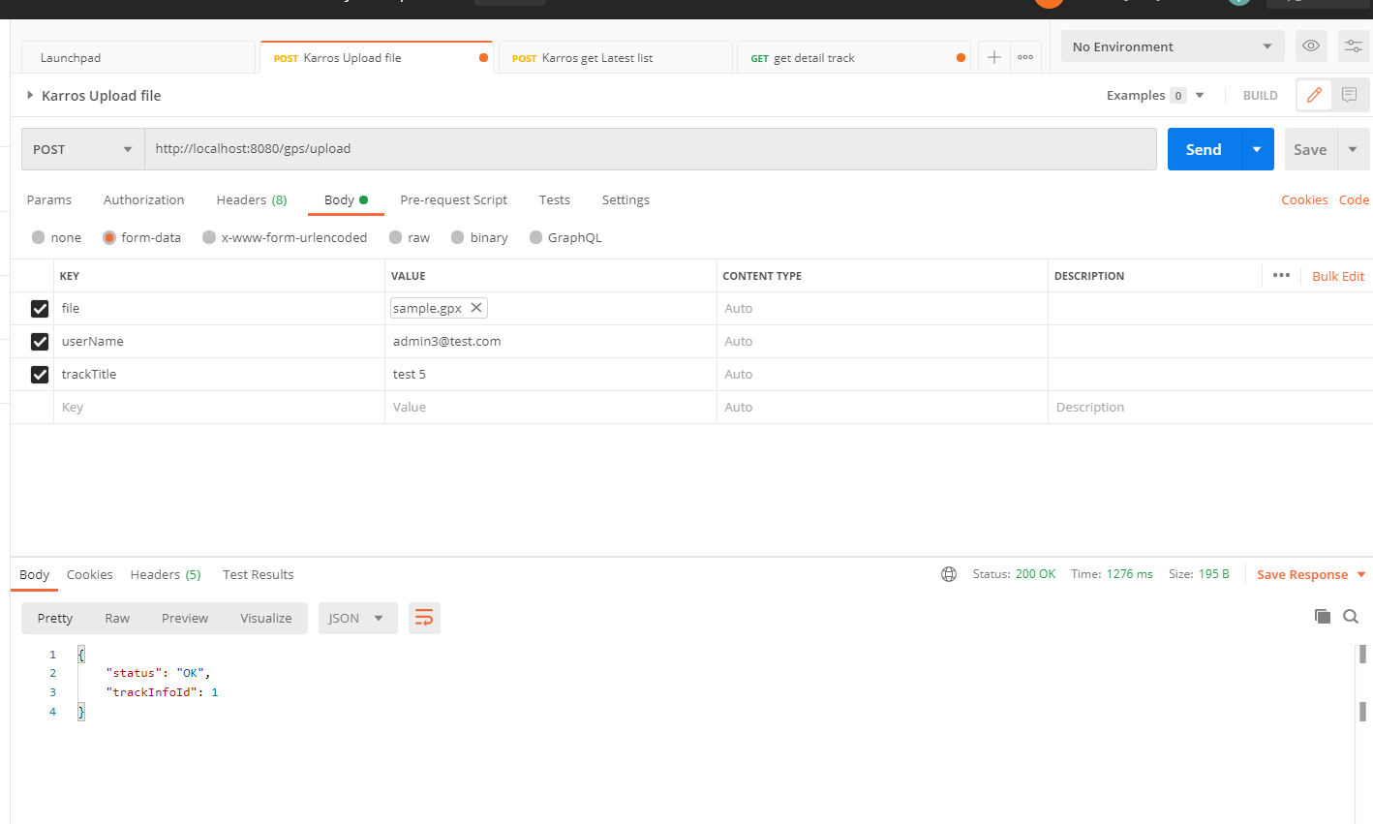
Request form-data: |  |  |  |  | Use Case
 | Name | Default Value |  | Note
 | file | sample.gps
 | userName | admin3@test.com
 | trackTitle | test 5

Url (Method = post): | http://localhost/gps/upload

Response data:

{
"status": "OK",
"trackInfoId": 1 |  |  | Track id use to get track detail
}

Get Latest Track
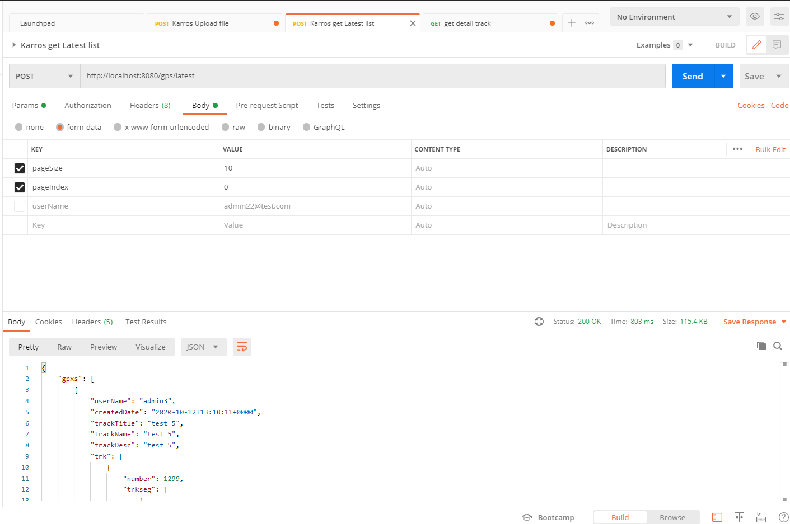
 |  |  |  | Use Case
Request form-data
 | Name | Default Value | Note
 | pageSize | 10 | size of page
 | pageIndex | 0 | Page index, default is page 0
 | userName | admin22@test.com | Enter it if you want get latest list by account

Url (Method = post): | http://localhost/gps/latest

Response value:

 | {
 | "gpxs": [
 | {
 | "userName": "admin3",
 | "createdDate": "2020-10-12T13:28:38+0000",
 | "trackTitle": "test 5",
 | "trackId": 2,
 | "trackDesc": "test 5",
 | "trk": [
 | {
 | "number": 1299,
 | "trkseg": [
 | {
 | "trkpt": [
 | {
 | "ele": 315.86,
 | "time": "2017-10-22T09:41:38+0000",
 | "lat": 42.2208895,
 | "lon": -1.4580696
 | },
 | {
 | "ele": 316.03888000000006,
 | "time": "2017-10-22T09:43:18+0000",
 | "lat": 42.2208228,
 | "lon": -1.458099
 | },
 | {
 | "ele": 316.1368,
 | "time": "2017-10-22T09:43:26+0000",
 | "lat": 42.2207764,
 | "lon": -1.4581063
 | },
 | {
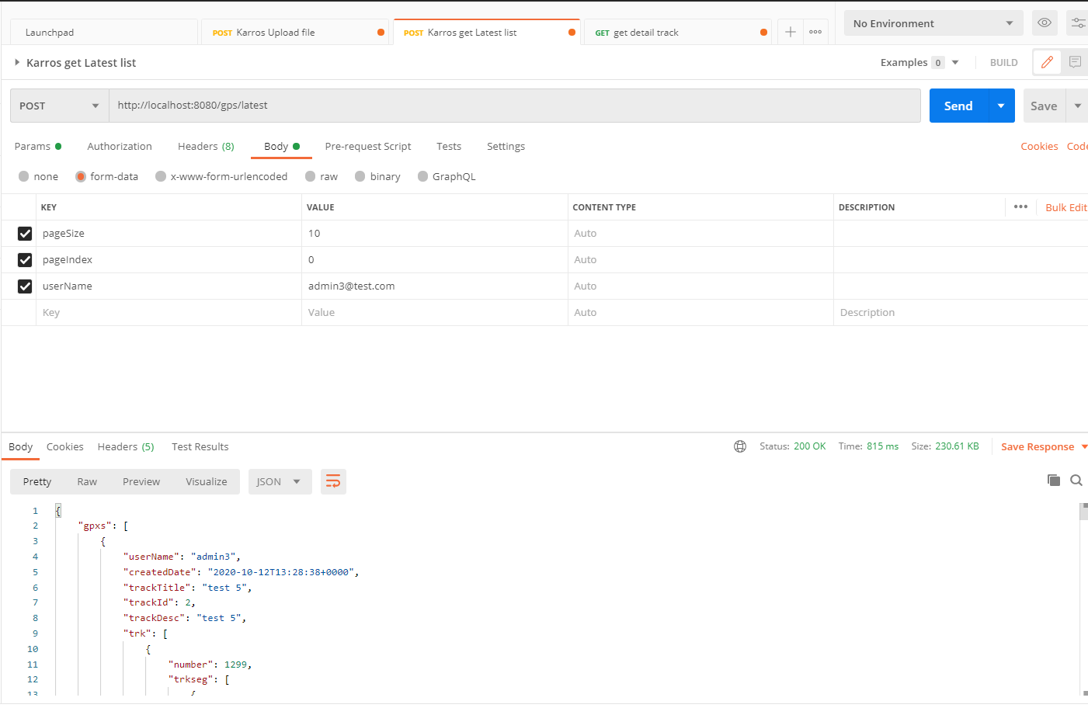
 | "ele": 316.12912000000006,
 | "time": "2017-10-22T09:43:38+0000",
 | "lat": 42.220683708460996,
 | "lon": -1.4582070708274841
 | },
 | {
 | "ele": 316.08144000000004,
 | "time": "2017-10-22T09:43:46+0000",
 | "lat": 42.22059829568746,
 | "lon": -1.4582258462905884
 | },
 | {
 | "ele": 316.09920000000005,
 | "time": "2017-10-22T09:43:54+0000",
 | "lat": 42.220520828188285,
 | "lon": -1.4582258462905884
 | },
 | {
 | "ele": 316.27272000000005,
 | "time": "2017-10-22T09:43:58+0000",
 | "lat": 42.220475142182664,
 | "lon": -1.4582097530364988
 | },
 | {
 | "ele": 316.57888,
 | "time": "2017-10-22T09:44:06+0000",
 | "lat": 42.22041753804155,
 | "lon": -1.458185613155365
 | },
 | {
 | "ele": 316.93808000000007,
 | "time": "2017-10-22T09:44:14+0000",
 | "lat": 42.220351988437706,
 | "lon": -1.458161473274231
 | },
 | {
 | "ele": 317.18600000000004,
 | "time": "2017-10-22T09:44:22+0000",
 | "lat": 42.2202765,
 | "lon": -1.458129
 | },
 | {
 | "ele": 317.2780000000001,
 | "time": "2017-10-22T09:44:30+0000",
 | "lat": 42.2202289,
 | "lon": -1.4581346
 | },
 | {
 | "ele": 317.1612,
 | "time": "2017-10-22T09:44:34+0000",
 | "lat": 42.22017718916146,
 | "lon": -1.4580997824668884
 | },
 | {
 | "ele": 316.84920000000005,
 | "time": "2017-10-22T09:44:38+0000",
 | "lat": 42.22011561202843,
 | "lon": -1.4580863714218137
 | },
 | {
 | "ele": 316.31064000000003,
 | "time": "2017-10-22T09:44:42+0000",
 | "lat": 42.22006992572966,
 | "lon": -1.4580890536308289
 | },
 | {
 | "ele": 315.42808,
 | "time": "2017-10-22T09:44:50+0000",
 | "lat": 42.21999841667387,
 | "lon": -1.4580675959587097
 | },
 | {
 | "ele": 314.2912000000001,
 | "time": "2017-10-22T09:44:54+0000",
 | "lat": 42.2199414,
 | "lon": -1.4580617
 | },
 | {
 | "ele": 312.9720800000001,
 | "time": "2017-10-22T09:44:58+0000",
 | "lat": 42.2198969,
 | "lon": -1.4580469
 | },
 | {
 | "ele": 311.8660000000001,
 | "time": "2017-10-22T09:45:10+0000",
 | "lat": 42.219815670941216,
 | "lon": -1.457984447479248
 | },
 | {
 | "ele": 311.1676800000001,
 | "time": "2017-10-22T09:45:18+0000",
 | "lat": 42.2197913,
 | "lon": -1.4578834
 | },
 | {
 | "ele": 311.10784000000007,
 | "time": "2017-10-22T09:45:22+0000",
 | "lat": 42.219758066198466,
 | "lon": -1.457785964012146
 | },
 | {
 | "ele": 311.5414400000001,
 | "time": "2017-10-22T09:45:26+0000",
 | "lat": 42.2197802,
 | "lon": -1.4577015
 | },
 | {
 | "ele": 311.94664000000006,
 | "time": "2017-10-22T09:45:34+0000",
 | "lat": 42.21976203894103,
 | "lon": -1.4576303958892822
 | },
 | {
 | "ele": 312.6764800000001,
 | "time": "2017-10-22T09:45:38+0000",
 | "lat": 42.2197779299088,
 | "lon": -1.4574989676475525
 | },
 | {
 | "ele": 312.60568,
 | "time": "2017-10-22T09:45:48+0000",
 | "lat": 42.21979977998296,
 | "lon": -1.4573621749877927
 | },
 | {
 | "ele": 313.68896000000007,
 | "time": "2017-10-22T09:45:51+0000",
 | "lat": 42.21979580724277,
 | "lon": -1.4573085308074951
 | },
 | {
 | "ele": 314.02888,
 | "time": "2017-10-22T09:45:56+0000",
 | "lat": 42.21981765731074,
 | "lon": -1.4572575688362122
 | },
 | {
 | "ele": 315.61792,
 | "time": "2017-10-22T09:46:04+0000",
 | "lat": 42.2198339,
 | "lon": -1.4571616
 | },
 | {
 | "ele": 316.30920000000003,
 | "time": "2017-10-22T09:46:12+0000",
 | "lat": 42.2198652,
 | "lon": -1.4570664
 | },
 | {
 | "ele": 317.22888,
 | "time": "2017-10-22T09:46:16+0000",
 | "lat": 42.2198959,
 | "lon": -1.4570006
 | },
 | {
 | "ele": 317.55744000000004,
 | "time": "2017-10-22T09:46:24+0000",
 | "lat": 42.219946,
 | "lon": -1.4569475
 | },
 | {
 | "ele": 317.80528000000004,
 | "time": "2017-10-22T09:46:32+0000",
 | "lat": 42.2200164,
 | "lon": -1.4568762
 | },
 | {
 | "ele": 317.92816000000005,
 | "time": "2017-10-22T09:46:36+0000",
 | "lat": 42.2200624,
 | "lon": -1.456838
 | },
 | {
 | "ele": 318.00520000000006,
 | "time": "2017-10-22T09:46:40+0000",
 | "lat": 42.2201211,
 | "lon": -1.4568199
 | },
 | {
 | "ele": 318.04056,
 | "time": "2017-10-22T09:46:44+0000",
 | "lat": 42.2201731,
 | "lon": -1.4567978
 | },
 | {
 | "ele": 317.99504,
 | "time": "2017-10-22T09:46:48+0000",
 | "lat": 42.2202167,
 | "lon": -1.4567524
 | },
 | {
 | "ele": 317.86472000000003,
 | "time": "2017-10-22T09:46:52+0000",
 | "lat": 42.2202584,
 | "lon": -1.456689
 | },
 | {
 | "ele": 317.57768000000004,
 | "time": "2017-10-22T09:46:56+0000",
 | "lat": 42.2203032,
 | "lon": -1.4566716
 | },
 | {
 | "ele": 317.2556,
 | "time": "2017-10-22T09:47:04+0000",
 | "lat": 42.2203758,
 | "lon": -1.4566062
 | },
 | {
 | "ele": 316.89688,
 | "time": "2017-10-22T09:47:08+0000",
 | "lat": 42.2204168,
 | "lon": -1.4565644
 | },
 | {
 | "ele": 316.71936000000005,
 | "time": "2017-10-22T09:47:16+0000",
 | "lat": 42.2204981,
 | "lon": -1.4565155
 | },
 | {
 | "ele": 316.65048,
 | "time": "2017-10-22T09:47:24+0000",
 | "lat": 42.220582,
 | "lon": -1.4564805
 | },
 | {
 | "ele": 316.8036000000001,
 | "time": "2017-10-22T09:47:28+0000",
 | "lat": 42.2206299,
 | "lon": -1.4564535
 | },
 | {
 | "ele": 316.8614400000001,
 | "time": "2017-10-22T09:48:00+0000",
 | "lat": 42.220657886006755,
 | "lon": -1.4563590288162231
 | },
 | {
 | "ele": 316.81808000000007,
 | "time": "2017-10-22T09:48:04+0000",
 | "lat": 42.22060822741125,
 | "lon": -1.4564475417137144
 | },
 | {
 | "ele": 316.40128000000004,
 | "time": "2017-10-22T09:48:08+0000",
 | "lat": 42.22056651416083,
 | "lon": -1.4564824104309082
 | },
 | {
 | "ele": 315.81832,
 | "time": "2017-10-22T09:48:16+0000",
 | "lat": 42.2205539,
 | "lon": -1.4565529
 | },
 | {
 | "ele": 315.14936000000006,
 | "time": "2017-10-22T09:48:24+0000",
 | "lat": 42.2205931,
 | "lon": -1.4566435
 | },
 | {
 | "ele": 314.79224,
 | "time": "2017-10-22T09:48:32+0000",
 | "lat": 42.2206549,
 | "lon": -1.4566667
 | },
 | {
 | "ele": 314.8296,
 | "time": "2017-10-22T09:48:40+0000",
 | "lat": 42.2207081,
 | "lon": -1.4565884
 | },
 | {
 | "ele": 315.33672,
 | "time": "2017-10-22T09:48:48+0000",
 | "lat": 42.2207314,
 | "lon": -1.4565252
 | },
 | {
 | "ele": 316.01216000000005,
 | "time": "2017-10-22T09:48:56+0000",
 | "lat": 42.2207835,
 | "lon": -1.4564361
 | },
 | {
 | "ele": 316.62312000000003,
 | "time": "2017-10-22T09:49:00+0000",
 | "lat": 42.2208176,
 | "lon": -1.4563787
 | },
 | {
 | "ele": 316.95064,
 | "time": "2017-10-22T09:49:08+0000",
 | "lat": 42.2208861,
 | "lon": -1.4563058
 | },
 | {
 | "ele": 317.04272000000003,
 | "time": "2017-10-22T09:49:16+0000",
 | "lat": 42.2209557,
 | "lon": -1.4562593
 | },
 | {
 | "ele": 316.97368000000006,
 | "time": "2017-10-22T09:49:28+0000",
 | "lat": 42.220911,
 | "lon": -1.4562842
 | },
 | {
 | "ele": 316.79640000000006,
 | "time": "2017-10-22T09:49:40+0000",
 | "lat": 42.2209551,
 | "lon": -1.4562595
 | },
 | {
 | "ele": 316.52000000000004,
 | "time": "2017-10-22T09:49:44+0000",
 | "lat": 42.2210003,
 | "lon": -1.4562346
 | },
 | {
 | "ele": 316.04144,
 | "time": "2017-10-22T09:49:48+0000",
 | "lat": 42.2210467,
 | "lon": -1.4562125
 | },
 | {
 | "ele": 315.67368,
 | "time": "2017-10-22T09:49:56+0000",
 | "lat": 42.2211144,
 | "lon": -1.456291
 | },
 | {
 | "ele": 315.51008,
 | "time": "2017-10-22T09:50:00+0000",
 | "lat": 42.2211559,
 | "lon": -1.4563577
 | },
 | {
 | "ele": 315.97424,
 | "time": "2017-10-22T09:50:04+0000",
 | "lat": 42.2211898,
 | "lon": -1.4564028
 | },
 | {
 | "ele": 316.78912,
 | "time": "2017-10-22T09:50:08+0000",
 | "lat": 42.2212537,
 | "lon": -1.4564276
 | },
 | {
 | "ele": 317.78616000000005,
 | "time": "2017-10-22T09:50:24+0000",
 | "lat": 42.2213093,
 | "lon": -1.4564018
 | },
 | {
 | "ele": 318.3976,
 | "time": "2017-10-22T09:50:36+0000",
 | "lat": 42.2213756,
 | "lon": -1.4563637
 | },
 | {
 | "ele": 318.5572,
 | "time": "2017-10-22T09:50:52+0000",
 | "lat": 42.2213725,
 | "lon": -1.4562879
 | },
 | {
 | "ele": 318.32320000000004,
 | "time": "2017-10-22T09:51:00+0000",
 | "lat": 42.2213381,
 | "lon": -1.4562362
 | },
 | {
 | "ele": 318.0240800000001,
 | "time": "2017-10-22T09:51:04+0000",
 | "lat": 42.2212953,
 | "lon": -1.4562044
 | },
 | {
 | "ele": 317.92632000000003,
 | "time": "2017-10-22T09:51:08+0000",
 | "lat": 42.2212503,
 | "lon": -1.4561595
 | },
 | {
 | "ele": 318.0343200000001,
 | "time": "2017-10-22T09:51:12+0000",
 | "lat": 42.2211879,
 | "lon": -1.456116
 | },
 | {
 | "ele": 318.28008,
 | "time": "2017-10-22T09:51:16+0000",
 | "lat": 42.2211418,
 | "lon": -1.4560777
 | },
 | {
 | "ele": 318.4477600000001,
 | "time": "2017-10-22T09:51:24+0000",
 | "lat": 42.2210718,
 | "lon": -1.4559973
 | },
 | {
 | "ele": 318.49496000000005,
 | "time": "2017-10-22T09:51:32+0000",
 | "lat": 42.2210128,
 | "lon": -1.4559661
 | },
 | {
 | "ele": 318.41056000000003,
 | "time": "2017-10-22T09:51:40+0000",
 | "lat": 42.2209252,
 | "lon": -1.4559281
 | },
 | {
 | "ele": 318.3336800000001,
 | "time": "2017-10-22T09:51:48+0000",
 | "lat": 42.2208376,
 | "lon": -1.4559482
 | },
 | {
 | "ele": 318.3836,
 | "time": "2017-10-22T09:51:52+0000",
 | "lat": 42.2207741,
 | "lon": -1.4559091
 | },
 | {
 | "ele": 318.64656,
 | "time": "2017-10-22T09:51:56+0000",
 | "lat": 42.2207166,
 | "lon": -1.4558859
 | },
 | {
 | "ele": 319.20176000000004,
 | "time": "2017-10-22T09:52:04+0000",
 | "lat": 42.2207025,
 | "lon": -1.4558168
 | },
 | {
 | "ele": 319.95448000000005,
 | "time": "2017-10-22T09:52:12+0000",
 | "lat": 42.2207363,
 | "lon": -1.4557051
 | },
 | {
 | "ele": 320.88512000000003,
 | "time": "2017-10-22T09:52:16+0000",
 | "lat": 42.2207697,
 | "lon": -1.4556334
 | },
 | {
 | "ele": 321.85032,
 | "time": "2017-10-22T09:52:20+0000",
 | "lat": 42.2207903,
 | "lon": -1.4555619
 | },
 | {
 | "ele": 322.77488000000005,
 | "time": "2017-10-22T09:52:28+0000",
 | "lat": 42.2207694,
 | "lon": -1.4554557
 | },
 | {
 | "ele": 323.6068,
 | "time": "2017-10-22T09:52:36+0000",
 | "lat": 42.2207622,
 | "lon": -1.4553559
 | },
 | {
 | "ele": 324.25472,
 | "time": "2017-10-22T09:52:44+0000",
 | "lat": 42.220794,
 | "lon": -1.4552664
 | },
 | {
 | "ele": 324.70168000000007,
 | "time": "2017-10-22T09:52:48+0000",
 | "lat": 42.2208295,
 | "lon": -1.455211
 | },
 | {
 | "ele": 324.87304000000006,
 | "time": "2017-10-22T09:52:52+0000",
 | "lat": 42.2208479,
 | "lon": -1.4551461
 | },
 | {
 | "ele": 324.75648,
 | "time": "2017-10-22T09:52:56+0000",
 | "lat": 42.2208654,
 | "lon": -1.4550781
 | },
 | {
 | "ele": 324.3588,
 | "time": "2017-10-22T09:53:04+0000",
 | "lat": 42.2209302,
 | "lon": -1.4550018
 | },
 | {
 | "ele": 323.75991999999997,
 | "time": "2017-10-22T09:53:12+0000",
 | "lat": 42.2209771,
 | "lon": -1.4549598
 | },
 | {
 | "ele": 323.05624,
 | "time": "2017-10-22T09:53:16+0000",
 | "lat": 42.220992,
 | "lon": -1.4548899
 | },
 | {
 | "ele": 322.35136,
 | "time": "2017-10-22T09:53:20+0000",
 | "lat": 42.220984,
 | "lon": -1.4548208
 | },
 | {
 | "ele": 321.71488,
 | "time": "2017-10-22T09:53:24+0000",
 | "lat": 42.2209632,
 | "lon": -1.4547467
 | },
 | {
 | "ele": 321.15208000000007,
 | "time": "2017-10-22T09:53:28+0000",
 | "lat": 42.2209386,
 | "lon": -1.4546823
 | },
 | {
 | "ele": 320.68928000000005,
 | "time": "2017-10-22T09:53:36+0000",
 | "lat": 42.2209376,
 | "lon": -1.4545964
 | },
 | {
 | "ele": 320.27248000000003,
 | "time": "2017-10-22T09:53:40+0000",
 | "lat": 42.2209461,
 | "lon": -1.4545269
 | },
 | {
 | "ele": 319.94392000000005,
 | "time": "2017-10-22T09:53:44+0000",
 | "lat": 42.2209247,
 | "lon": -1.4544712
 | },
 | {
 | "ele": 319.67848000000004,
 | "time": "2017-10-22T09:53:48+0000",
 | "lat": 42.2208813,
 | "lon": -1.4544466
 | },
 | {
 | "ele": 319.5692,
 | "time": "2017-10-22T09:53:56+0000",
 | "lat": 42.2208493,
 | "lon": -1.4544023
 | },
 | {
 | "ele": 319.52688,
 | "time": "2017-10-22T09:54:08+0000",
 | "lat": 42.2209135,
 | "lon": -1.454342
 | },
 | {
 | "ele": 319.55216,
 | "time": "2017-10-22T09:54:12+0000",
 | "lat": 42.220933987085594,
 | "lon": -1.454291045665741
 | },
 | {
 | "ele": 319.42800000000005,
 | "time": "2017-10-22T09:54:24+0000",
 | "lat": 42.220947891424544,
 | "lon": -1.454167664051056
 | },
 | {
 | "ele": 319.17768000000007,
 | "time": "2017-10-22T09:54:28+0000",
 | "lat": 42.2209654,
 | "lon": -1.4540717
 | },
 | {
 | "ele": 318.75824000000006,
 | "time": "2017-10-22T09:54:32+0000",
 | "lat": 42.2209837,
 | "lon": -1.4539842
 | },
 | {
 | "ele": 318.32472000000007,
 | "time": "2017-10-22T09:54:36+0000",
 | "lat": 42.2210045,
 | "lon": -1.4539234
 | },
 | {
 | "ele": 317.95624000000004,
 | "time": "2017-10-22T09:54:40+0000",
 | "lat": 42.2210064,
 | "lon": -1.4538545
 | },
 | {
 | "ele": 317.73424,
 | "time": "2017-10-22T09:54:44+0000",
 | "lat": 42.2210049,
 | "lon": -1.4537884
 | },
 | {
 | "ele": 317.58736,
 | "time": "2017-10-22T09:54:52+0000",
 | "lat": 42.2210243,
 | "lon": -1.4536699
 | },
 | {
 | "ele": 317.7016,
 | "time": "2017-10-22T09:55:00+0000",
 | "lat": 42.2210243,
 | "lon": -1.4535637
 | },
 | {
 | "ele": 317.88976,
 | "time": "2017-10-22T09:55:08+0000",
 | "lat": 42.22103330372519,
 | "lon": -1.4534595608711243
 | },
 | {
 | "ele": 318.60528000000005,
 | "time": "2017-10-22T09:55:16+0000",
 | "lat": 42.22102138573669,
 | "lon": -1.453293263912201
 | },
 | {
 | "ele": 319.48008000000004,
 | "time": "2017-10-22T09:55:20+0000",
 | "lat": 42.2210293310626,
 | "lon": -1.4532208442687986
 | },
 | {
 | "ele": 320.79568000000006,
 | "time": "2017-10-22T09:55:28+0000",
 | "lat": 42.2210293310626,
 | "lon": -1.4531108736991882
 | },
 | {
 | "ele": 322.04200000000003,
 | "time": "2017-10-22T09:55:32+0000",
 | "lat": 42.22102138573669,
 | "lon": -1.4530518651008606
 | },
 | {
 | "ele": 323.20000000000005,
 | "time": "2017-10-22T09:55:39+0000",
 | "lat": 42.2209979,
 | "lon": -1.4529308
 | },
 | {
 | "ele": 323.8799200000001,
 | "time": "2017-10-22T09:55:47+0000",
 | "lat": 42.2209781,
 | "lon": -1.4528129
 | },
 | {
 | "ele": 324.04320000000007,
 | "time": "2017-10-22T09:55:55+0000",
 | "lat": 42.2209615,
 | "lon": -1.4527101
 | },
 | {
 | "ele": 323.65504000000004,
 | "time": "2017-10-22T09:55:59+0000",
 | "lat": 42.2209651,
 | "lon": -1.4526402
 | },
 | {
 | "ele": 322.96608000000003,
 | "time": "2017-10-22T09:56:03+0000",
 | "lat": 42.2209751,
 | "lon": -1.4525747
 | },
 | {
 | "ele": 322.26112,
 | "time": "2017-10-22T09:56:07+0000",
 | "lat": 42.220994,
 | "lon": -1.4525158
 | },
 | {
 | "ele": 321.74968,
 | "time": "2017-10-22T09:56:11+0000",
 | "lat": 42.2210199,
 | "lon": -1.4524634
 | },
 | {
 | "ele": 321.50440000000003,
 | "time": "2017-10-22T09:56:15+0000",
 | "lat": 42.2210481,
 | "lon": -1.4524049
 | },
 | {
 | "ele": 321.42544000000004,
 | "time": "2017-10-22T09:56:19+0000",
 | "lat": 42.2210482,
 | "lon": -1.4523174
 | },
 | {
 | "ele": 321.38704000000007,
 | "time": "2017-10-22T09:56:23+0000",
 | "lat": 42.2210287,
 | "lon": -1.4522379
 | },
 | {
 | "ele": 321.27240000000006,
 | "time": "2017-10-22T09:56:27+0000",
 | "lat": 42.2209904,
 | "lon": -1.452184
 | },
 | {
 | "ele": 320.9899200000001,
 | "time": "2017-10-22T09:56:31+0000",
 | "lat": 42.2209465,
 | "lon": -1.4521647
 | },
 | {
 | "ele": 320.49104000000005,
 | "time": "2017-10-22T09:56:39+0000",
 | "lat": 42.2209016,
 | "lon": -1.4521759
 | },
 | {
 | "ele": 319.80976000000004,
 | "time": "2017-10-22T09:56:47+0000",
 | "lat": 42.2208144,
 | "lon": -1.4521425
 | },
 | {
 | "ele": 319.07312,
 | "time": "2017-10-22T09:56:54+0000",
 | "lat": 42.2206936,
 | "lon": -1.4520531
 | },
 | {
 | "ele": 318.50320000000005,
 | "time": "2017-10-22T09:57:02+0000",
 | "lat": 42.2206013,
 | "lon": -1.4519914
 | },
 | {
 | "ele": 318.2488,
 | "time": "2017-10-22T09:57:14+0000",
 | "lat": 42.2205033,
 | "lon": -1.4519528
 | },
 | {
 | "ele": 318.33408000000003,
 | "time": "2017-10-22T09:57:18+0000",
 | "lat": 42.2204511,
 | "lon": -1.4518861
 | },
 | {
 | "ele": 318.684,
 | "time": "2017-10-22T09:57:22+0000",
 | "lat": 42.2204276,
 | "lon": -1.4518227
 | },
 | {
 | "ele": 319.13520000000005,
 | "time": "2017-10-22T09:57:26+0000",
 | "lat": 42.2203972,
 | "lon": -1.4517534
 | },
 | {
 | "ele": 319.65744000000007,
 | "time": "2017-10-22T09:57:30+0000",
 | "lat": 42.2203722,
 | "lon": -1.4516804
 | },
 | {
 | "ele": 320.1184800000001,
 | "time": "2017-10-22T09:57:38+0000",
 | "lat": 42.22031,
 | "lon": -1.4515865
 | },
 | {
 | "ele": 320.5572800000001,
 | "time": "2017-10-22T09:57:42+0000",
 | "lat": 42.2202667,
 | "lon": -1.4515653
 | },
 | {
 | "ele": 320.87200000000007,
 | "time": "2017-10-22T09:57:50+0000",
 | "lat": 42.22021890266907,
 | "lon": -1.451466679573059
 | },
 | {
 | "ele": 321.1607200000001,
 | "time": "2017-10-22T09:57:54+0000",
 | "lat": 42.22018314823566,
 | "lon": -1.4514049887657166
 | },
 | {
 | "ele": 321.36728000000005,
 | "time": "2017-10-22T09:58:02+0000",
 | "lat": 42.22015136650008,
 | "lon": -1.4512842893600464
 | },
 | {
 | "ele": 321.56576000000007,
 | "time": "2017-10-22T09:58:06+0000",
 | "lat": 42.220119584748524,
 | "lon": -1.4512065052986143
 | },
 | {
 | "ele": 321.70024,
 | "time": "2017-10-22T09:58:14+0000",
 | "lat": 42.22009574842433,
 | "lon": -1.4510804414749146
 | },
 | {
 | "ele": 321.8044,
 | "time": "2017-10-22T09:58:18+0000",
 | "lat": 42.22005800755931,
 | "lon": -1.4509972929954529
 | },
 | {
 | "ele": 321.95072000000005,
 | "time": "2017-10-22T09:58:26+0000",
 | "lat": 42.22003814393709,
 | "lon": -1.4508980512619019
 | },
 | {
 | "ele": 322.20992,
 | "time": "2017-10-22T09:58:30+0000",
 | "lat": 42.2200321848492,
 | "lon": -1.4508336782455444
 | },
 | {
 | "ele": 322.73336000000006,
 | "time": "2017-10-22T09:58:34+0000",
 | "lat": 42.220000403037616,
 | "lon": -1.4507585763931274
 | },
 | {
 | "ele": 323.5146400000001,
 | "time": "2017-10-22T09:58:42+0000",
 | "lat": 42.21997060757477,
 | "lon": -1.450645923614502
 | },
 | {
 | "ele": 324.66008,
 | "time": "2017-10-22T09:58:50+0000",
 | "lat": 42.219956,
 | "lon": -1.4505278
 | },
 | {
 | "ele": 326.00616,
 | "time": "2017-10-22T09:58:58+0000",
 | "lat": 42.21995074392505,
 | "lon": -1.4504635334014893
 | },
 | {
 | "ele": 327.6156,
 | "time": "2017-10-22T09:59:02+0000",
 | "lat": 42.219968621210086,
 | "lon": -1.4503777027130127
 | },
 | {
 | "ele": 329.20832,
 | "time": "2017-10-22T09:59:10+0000",
 | "lat": 42.2199849,
 | "lon": -1.4503009
 | },
 | {
 | "ele": 330.8168800000001,
 | "time": "2017-10-22T09:59:14+0000",
 | "lat": 42.2199909,
 | "lon": -1.450219
 | },
 | {
 | "ele": 332.2152000000001,
 | "time": "2017-10-22T09:59:18+0000",
 | "lat": 42.22000636212854,
 | "lon": -1.4501389861106873
 | },
 | {
 | "ele": 333.45056000000005,
 | "time": "2017-10-22T09:59:25+0000",
 | "lat": 42.2200069,
 | "lon": -1.4500409
 | },
 | {
 | "ele": 334.42624000000006,
 | "time": "2017-10-22T09:59:33+0000",
 | "lat": 42.22000834849203,
 | "lon": -1.4499619603157043
 | },
 | {
 | "ele": 335.20432000000005,
 | "time": "2017-10-22T09:59:37+0000",
 | "lat": 42.2199977,
 | "lon": -1.4499015
 | },
 | {
 | "ele": 335.7614400000001,
 | "time": "2017-10-22T09:59:45+0000",
 | "lat": 42.2200082,
 | "lon": -1.4497361
 | },
 | {
 | "ele": 336.0556,
 | "time": "2017-10-22T09:59:55+0000",
 | "lat": 42.2200336,
 | "lon": -1.4496093
 | },
 | {
 | "ele": 336.08312000000006,
 | "time": "2017-10-22T09:59:59+0000",
 | "lat": 42.2200225,
 | "lon": -1.4495187
 | },
 | {
 | "ele": 335.62760000000003,
 | "time": "2017-10-22T10:00:07+0000",
 | "lat": 42.2200252,
 | "lon": -1.4494444
 | },
 | {
 | "ele": 334.85024000000004,
 | "time": "2017-10-22T10:00:23+0000",
 | "lat": 42.2200051,
 | "lon": -1.4493776
 | },
 | {
 | "ele": 333.65752000000003,
 | "time": "2017-10-22T10:00:31+0000",
 | "lat": 42.2200411,
 | "lon": -1.4492789
 | },
 | {
 | "ele": 332.42320000000007,
 | "time": "2017-10-22T10:00:39+0000",
 | "lat": 42.2200612,
 | "lon": -1.4491783
 | },
 | {
 | "ele": 331.22856,
 | "time": "2017-10-22T10:00:55+0000",
 | "lat": 42.2200308,
 | "lon": -1.4490739
 | },
 | {
 | "ele": 330.30208000000005,
 | "time": "2017-10-22T10:00:59+0000",
 | "lat": 42.2200276,
 | "lon": -1.449005
 | },
 | {
 | "ele": 329.6856,
 | "time": "2017-10-22T10:01:03+0000",
 | "lat": 42.220036,
 | "lon": -1.4489266
 | },
 | {
 | "ele": 329.41416000000004,
 | "time": "2017-10-22T10:01:07+0000",
 | "lat": 42.2200468,
 | "lon": -1.4488434
 | },
 | {
 | "ele": 329.4116000000001,
 | "time": "2017-10-22T10:01:11+0000",
 | "lat": 42.2200601,
 | "lon": -1.4487728
 | },
 | {
 | "ele": 329.67152000000004,
 | "time": "2017-10-22T10:01:15+0000",
 | "lat": 42.2200784,
 | "lon": -1.4487163
 | },
 | {
 | "ele": 329.9470400000001,
 | "time": "2017-10-22T10:01:23+0000",
 | "lat": 42.2201082,
 | "lon": -1.4486449
 | },
 | {
 | "ele": 330.32072000000005,
 | "time": "2017-10-22T10:01:35+0000",
 | "lat": 42.2200872,
 | "lon": -1.44856
 | },
 | {
 | "ele": 330.52784,
 | "time": "2017-10-22T10:01:39+0000",
 | "lat": 42.2200996,
 | "lon": -1.4484947
 | },
 | {
 | "ele": 330.68424000000005,
 | "time": "2017-10-22T10:01:43+0000",
 | "lat": 42.2201028,
 | "lon": -1.448409
 | },
 | {
 | "ele": 330.56320000000005,
 | "time": "2017-10-22T10:01:47+0000",
 | "lat": 42.2201305,
 | "lon": -1.4483404
 | },
 | {
 | "ele": 330.2356000000001,
 | "time": "2017-10-22T10:01:55+0000",
 | "lat": 42.2201247,
 | "lon": -1.4482343
 | },
 | {
 | "ele": 329.71080000000006,
 | "time": "2017-10-22T10:02:03+0000",
 | "lat": 42.2201168,
 | "lon": -1.448108
 | },
 | {
 | "ele": 329.11392,
 | "time": "2017-10-22T10:02:11+0000",
 | "lat": 42.220131,
 | "lon": -1.4480102
 | },
 | {
 | "ele": 328.57024,
 | "time": "2017-10-22T10:02:19+0000",
 | "lat": 42.220139,
 | "lon": -1.4478877
 | },
 | {
 | "ele": 328.04096000000004,
 | "time": "2017-10-22T10:02:23+0000",
 | "lat": 42.2201369,
 | "lon": -1.4478086
 | },
 | {
 | "ele": 327.55672000000004,
 | "time": "2017-10-22T10:02:31+0000",
 | "lat": 42.2201221,
 | "lon": -1.447694
 | },
 | {
 | "ele": 327.03384000000005,
 | "time": "2017-10-22T10:02:35+0000",
 | "lat": 42.2201182,
 | "lon": -1.4476327
 | },
 | {
 | "ele": 326.53607999999997,
 | "time": "2017-10-22T10:02:39+0000",
 | "lat": 42.2201084,
 | "lon": -1.4475536
 | },
 | {
 | "ele": 326.07984000000005,
 | "time": "2017-10-22T10:02:43+0000",
 | "lat": 42.220103,
 | "lon": -1.4474628
 | },
 | {
 | "ele": 325.72224,
 | "time": "2017-10-22T10:02:47+0000",
 | "lat": 42.2200824,
 | "lon": -1.4474025
 | },
 | {
 | "ele": 325.51448000000005,
 | "time": "2017-10-22T10:02:55+0000",
 | "lat": 42.2200344,
 | "lon": -1.4473379
 | },
 | {
 | "ele": 325.5156,
 | "time": "2017-10-22T10:02:59+0000",
 | "lat": 42.2199906,
 | "lon": -1.4473243
 | },
 | {
 | "ele": 325.72080000000005,
 | "time": "2017-10-22T10:03:03+0000",
 | "lat": 42.2199536,
 | "lon": -1.4472877
 | },
 | {
 | "ele": 326.15592000000004,
 | "time": "2017-10-22T10:03:07+0000",
 | "lat": 42.2199306,
 | "lon": -1.447226
 | },
 | {
 | "ele": 326.65336,
 | "time": "2017-10-22T10:03:15+0000",
 | "lat": 42.219886,
 | "lon": -1.4471399
 | },
 | {
 | "ele": 327.20104000000003,
 | "time": "2017-10-22T10:03:23+0000",
 | "lat": 42.2198542,
 | "lon": -1.447095
 | },
 | {
 | "ele": 327.64488000000006,
 | "time": "2017-10-22T10:03:27+0000",
 | "lat": 42.2198067,
 | "lon": -1.447011
 | },
 | {
 | "ele": 328.0636800000001,
 | "time": "2017-10-22T10:03:31+0000",
 | "lat": 42.2197632,
 | "lon": -1.4469513
 | },
 | {
 | "ele": 328.39088000000004,
 | "time": "2017-10-22T10:04:15+0000",
 | "lat": 42.2197199,
 | "lon": -1.4468868
 | },
 | {
 | "ele": 328.64048,
 | "time": "2017-10-22T10:04:19+0000",
 | "lat": 42.2197003,
 | "lon": -1.4468152
 | },
 | {
 | "ele": 328.69320000000005,
 | "time": "2017-10-22T10:04:23+0000",
 | "lat": 42.2196877,
 | "lon": -1.4467537
 | },
 | {
 | "ele": 328.46312000000006,
 | "time": "2017-10-22T10:04:31+0000",
 | "lat": 42.2196443,
 | "lon": -1.4466741
 | },
 | {
 | "ele": 328.02672000000007,
 | "time": "2017-10-22T10:04:39+0000",
 | "lat": 42.2195818,
 | "lon": -1.4466063
 | },
 | {
 | "ele": 327.45504000000005,
 | "time": "2017-10-22T10:04:43+0000",
 | "lat": 42.2195321,
 | "lon": -1.4465733
 | },
 | {
 | "ele": 327.07072000000005,
 | "time": "2017-10-22T10:04:51+0000",
 | "lat": 42.2194634,
 | "lon": -1.4465568
 | },
 | {
 | "ele": 326.92640000000006,
 | "time": "2017-10-22T10:04:59+0000",
 | "lat": 42.219404491108996,
 | "lon": -1.4465340971946716
 | },
 | {
 | "ele": 327.1736,
 | "time": "2017-10-22T10:05:07+0000",
 | "lat": 42.21931113106398,
 | "lon": -1.446501910686493
 | },
 | {
 | "ele": 327.70392000000004,
 | "time": "2017-10-22T10:05:11+0000",
 | "lat": 42.21926743056993,
 | "lon": -1.4464348554611206
 | },
 | {
 | "ele": 328.54920000000004,
 | "time": "2017-10-22T10:05:15+0000",
 | "lat": 42.2192376,
 | "lon": -1.4463856
 | },
 | {
 | "ele": 329.5564800000001,
 | "time": "2017-10-22T10:05:35+0000",
 | "lat": 42.219199,
 | "lon": -1.4463185
 | },
 | {
 | "ele": 330.69304,
 | "time": "2017-10-22T10:05:43+0000",
 | "lat": 42.21917208393253,
 | "lon": -1.4462631940841675
 | },
 | {
 | "ele": 331.7004800000001,
 | "time": "2017-10-22T10:05:55+0000",
 | "lat": 42.219154206421976,
 | "lon": -1.4462068676948547
 | },
 | {
 | "ele": 332.51608,
 | "time": "2017-10-22T10:06:03+0000",
 | "lat": 42.2191282,
 | "lon": -1.4461346
 | },
 | {
 | "ele": 333.02952000000005,
 | "time": "2017-10-22T10:06:15+0000",
 | "lat": 42.2190956,
 | "lon": -1.4460902
 | },
 | {
 | "ele": 333.30647999999997,
 | "time": "2017-10-22T10:06:23+0000",
 | "lat": 42.2190174,
 | "lon": -1.4460003
 | },
 | {
 | "ele": 333.4456,
 | "time": "2017-10-22T10:06:27+0000",
 | "lat": 42.2189579,
 | "lon": -1.4459561
 | },
 | {
 | "ele": 333.52976,
 | "time": "2017-10-22T10:06:31+0000",
 | "lat": 42.2189226,
 | "lon": -1.4459181
 | },
 | {
 | "ele": 333.6683200000001,
 | "time": "2017-10-22T10:06:39+0000",
 | "lat": 42.2188675,
 | "lon": -1.4458517
 | },
 | {
 | "ele": 333.8706400000001,
 | "time": "2017-10-22T10:06:47+0000",
 | "lat": 42.2188363831675,
 | "lon": -1.445753574371338
 | },
 | {
 | "ele": 334.18280000000004,
 | "time": "2017-10-22T10:06:51+0000",
 | "lat": 42.21881453275997,
 | "lon": -1.4456918835639954
 | },
 | {
 | "ele": 334.5486400000001,
 | "time": "2017-10-22T10:06:55+0000",
 | "lat": 42.218802614352704,
 | "lon": -1.4456167817115781
 | },
 | {
 | "ele": 335.0056000000001,
 | "time": "2017-10-22T10:06:59+0000",
 | "lat": 42.21878870954136,
 | "lon": -1.445528268814087
 | },
 | {
 | "ele": 335.45000000000005,
 | "time": "2017-10-22T10:07:07+0000",
 | "lat": 42.2187907,
 | "lon": -1.4454719
 | },
 | {
 | "ele": 335.91728000000006,
 | "time": "2017-10-22T10:07:11+0000",
 | "lat": 42.2187943,
 | "lon": -1.4454014
 | },
 | {
 | "ele": 336.2848,
 | "time": "2017-10-22T10:07:19+0000",
 | "lat": 42.2188005,
 | "lon": -1.4452986
 | },
 | {
 | "ele": 336.58896000000004,
 | "time": "2017-10-22T10:07:35+0000",
 | "lat": 42.2187887,
 | "lon": -1.4451842
 | },
 | {
 | "ele": 336.7776,
 | "time": "2017-10-22T10:07:47+0000",
 | "lat": 42.218802614352704,
 | "lon": -1.4451044797897339
 | },
 | {
 | "ele": 336.89576,
 | "time": "2017-10-22T10:07:51+0000",
 | "lat": 42.218808573556615,
 | "lon": -1.4450454711914062
 | },
 | {
 | "ele": 336.95592,
 | "time": "2017-10-22T10:07:55+0000",
 | "lat": 42.21881453275997,
 | "lon": -1.4449542760849
 | },
 | {
 | "ele": 336.97936000000004,
 | "time": "2017-10-22T10:07:59+0000",
 | "lat": 42.21879864154976,
 | "lon": -1.444879174232483
 | },
 | {
 | "ele": 336.97504000000004,
 | "time": "2017-10-22T10:08:03+0000",
 | "lat": 42.2188052,
 | "lon": -1.4448144
 | },
 | {
 | "ele": 336.93840000000006,
 | "time": "2017-10-22T10:08:07+0000",
 | "lat": 42.21882049196279,
 | "lon": -1.444747745990753
 | },
 | {
 | "ele": 336.85960000000006,
 | "time": "2017-10-22T10:08:11+0000",
 | "lat": 42.21881651916097,
 | "lon": -1.4446887373924255
 | },
 | {
 | "ele": 336.7456000000001,
 | "time": "2017-10-22T10:08:15+0000",
 | "lat": 42.2188318,
 | "lon": -1.4446218
 | },
 | {
 | "ele": 336.59280000000007,
 | "time": "2017-10-22T10:08:19+0000",
 | "lat": 42.2188174,
 | "lon": -1.4445642
 | },
 | {
 | "ele": 336.4344800000001,
 | "time": "2017-10-22T10:08:27+0000",
 | "lat": 42.2188045,
 | "lon": -1.444459
 | },
 | {
 | "ele": 336.27120000000014,
 | "time": "2017-10-22T10:08:31+0000",
 | "lat": 42.2188132,
 | "lon": -1.4443967
 | },
 | {
 | "ele": 336.1246400000001,
 | "time": "2017-10-22T10:08:35+0000",
 | "lat": 42.2188067,
 | "lon": -1.4443363
 | },
 | {
 | "ele": 335.98024000000004,
 | "time": "2017-10-22T10:08:39+0000",
 | "lat": 42.218803,
 | "lon": -1.444275
 | },
 | {
 | "ele": 335.83592000000004,
 | "time": "2017-10-22T10:08:43+0000",
 | "lat": 42.218807,
 | "lon": -1.4442072
 | },
 | {
 | "ele": 335.67560000000003,
 | "time": "2017-10-22T10:08:47+0000",
 | "lat": 42.2188054,
 | "lon": -1.4441443
 | },
 | {
 | "ele": 335.49600000000004,
 | "time": "2017-10-22T10:08:51+0000",
 | "lat": 42.218808573556615,
 | "lon": -1.4440423250198364
 | },
 | {
 | "ele": 335.2871200000001,
 | "time": "2017-10-22T10:08:55+0000",
 | "lat": 42.21881,
 | "lon": -1.4439866
 | },
 | {
 | "ele": 335.04208000000006,
 | "time": "2017-10-22T10:09:03+0000",
 | "lat": 42.218804600754055,
 | "lon": -1.443900167942047
 | },
 | {
 | "ele": 334.74728000000005,
 | "time": "2017-10-22T10:09:07+0000",
 | "lat": 42.218802614352704,
 | "lon": -1.4438170194625854
 | },
 | {
 | "ele": 334.40096000000005,
 | "time": "2017-10-22T10:09:11+0000",
 | "lat": 42.218801,
 | "lon": -1.4437559
 | },
 | {
 | "ele": 334.00912000000005,
 | "time": "2017-10-22T10:09:15+0000",
 | "lat": 42.2187931,
 | "lon": -1.4436606
 | },
 | {
 | "ele": 333.5973600000001,
 | "time": "2017-10-22T10:09:23+0000",
 | "lat": 42.218813,
 | "lon": -1.4435218
 | },
 | {
 | "ele": 333.18672000000004,
 | "time": "2017-10-22T10:09:31+0000",
 | "lat": 42.2188163,
 | "lon": -1.4434185
 | },
 | {
 | "ele": 332.77824,
 | "time": "2017-10-22T10:09:35+0000",
 | "lat": 42.218795,
 | "lon": -1.4433556
 | },
 | {
 | "ele": 332.37288,
 | "time": "2017-10-22T10:09:43+0000",
 | "lat": 42.2188,
 | "lon": -1.443271
 | },
 | {
 | "ele": 331.96136,
 | "time": "2017-10-22T10:09:51+0000",
 | "lat": 42.2187931,
 | "lon": -1.4431981
 | },
 | {
 | "ele": 331.5515200000001,
 | "time": "2017-10-22T10:09:55+0000",
 | "lat": 42.2187913,
 | "lon": -1.4431172
 | },
 | {
 | "ele": 331.17848000000004,
 | "time": "2017-10-22T10:09:59+0000",
 | "lat": 42.2187816,
 | "lon": -1.4430204
 | },
 | {
 | "ele": 330.8673600000001,
 | "time": "2017-10-22T10:10:03+0000",
 | "lat": 42.21875494070106,
 | "lon": -1.4429506659507751
 | },
 | {
 | "ele": 330.69952,
 | "time": "2017-10-22T10:10:11+0000",
 | "lat": 42.2187311,
 | "lon": -1.4428765
 | },
 | {
 | "ele": 330.69768000000005,
 | "time": "2017-10-22T10:10:15+0000",
 | "lat": 42.21871719903464,
 | "lon": -1.4428085088729858
 | },
 | {
 | "ele": 330.9454400000001,
 | "time": "2017-10-22T10:10:23+0000",
 | "lat": 42.21867945734569,
 | "lon": -1.442703902721405
 | },
 | {
 | "ele": 331.3876,
 | "time": "2017-10-22T10:10:27+0000",
 | "lat": 42.2186604,
 | "lon": -1.4426352
 | },
 | {
 | "ele": 332.10752,
 | "time": "2017-10-22T10:10:31+0000",
 | "lat": 42.21862781078742,
 | "lon": -1.4425697922706602
 | },
 | {
 | "ele": 332.9964,
 | "time": "2017-10-22T10:10:35+0000",
 | "lat": 42.2185562,
 | "lon": -1.4425677
 | },
 | {
 | "ele": 334.12271999999996,
 | "time": "2017-10-22T10:10:39+0000",
 | "lat": 42.2185204,
 | "lon": -1.4425219
 | },
 | {
 | "ele": 335.31615999999997,
 | "time": "2017-10-22T10:10:43+0000",
 | "lat": 42.218489,
 | "lon": -1.4424441
 | },
 | {
 | "ele": 336.53272000000004,
 | "time": "2017-10-22T10:10:47+0000",
 | "lat": 42.2184444,
 | "lon": -1.4423745
 | },
 | {
 | "ele": 337.57248000000004,
 | "time": "2017-10-22T10:10:55+0000",
 | "lat": 42.218429,
 | "lon": -1.4423091
 | },
 | {
 | "ele": 338.46368000000007,
 | "time": "2017-10-22T10:11:03+0000",
 | "lat": 42.2184386,
 | "lon": -1.4422349
 | },
 | {
 | "ele": 339.14264000000003,
 | "time": "2017-10-22T10:11:23+0000",
 | "lat": 42.2184463,
 | "lon": -1.442164
 | },
 | {
 | "ele": 339.82256000000007,
 | "time": "2017-10-22T10:11:35+0000",
 | "lat": 42.2185018,
 | "lon": -1.4421904
 | },
 | {
 | "ele": 340.44408000000004,
 | "time": "2017-10-22T10:11:55+0000",
 | "lat": 42.2185975,
 | "lon": -1.4421214
 | },
 | {
 | "ele": 341.0991200000001,
 | "time": "2017-10-22T10:11:59+0000",
 | "lat": 42.2186538,
 | "lon": -1.4420776
 | },
 | {
 | "ele": 341.64376000000004,
 | "time": "2017-10-22T10:12:03+0000",
 | "lat": 42.2187248,
 | "lon": -1.4420638
 | },
 | {
 | "ele": 342.0647200000001,
 | "time": "2017-10-22T10:12:07+0000",
 | "lat": 42.2187758,
 | "lon": -1.442065
 | },
 | {
 | "ele": 342.38880000000006,
 | "time": "2017-10-22T10:12:15+0000",
 | "lat": 42.2188507,
 | "lon": -1.442083
 | },
 | {
 | "ele": 342.62864,
 | "time": "2017-10-22T10:12:19+0000",
 | "lat": 42.2189206,
 | "lon": -1.4420828
 | },
 | {
 | "ele": 342.83488,
 | "time": "2017-10-22T10:12:23+0000",
 | "lat": 42.2189723,
 | "lon": -1.4421268
 | },
 | {
 | "ele": 342.9068,
 | "time": "2017-10-22T10:12:31+0000",
 | "lat": 42.2190663,
 | "lon": -1.4421687
 | },
 | {
 | "ele": 342.80016,
 | "time": "2017-10-22T10:12:35+0000",
 | "lat": 42.2191085,
 | "lon": -1.4422062
 | },
 | {
 | "ele": 342.5116,
 | "time": "2017-10-22T10:12:43+0000",
 | "lat": 42.2191869,
 | "lon": -1.4422864
 | },
 | {
 | "ele": 342.18472,
 | "time": "2017-10-22T10:12:47+0000",
 | "lat": 42.2192395,
 | "lon": -1.442327
 | },
 | {
 | "ele": 341.96344000000005,
 | "time": "2017-10-22T10:12:51+0000",
 | "lat": 42.2193041,
 | "lon": -1.4423269
 | },
 | {
 | "ele": 341.93856000000005,
 | "time": "2017-10-22T10:12:55+0000",
 | "lat": 42.2193635,
 | "lon": -1.4423183
 | },
 | {
 | "ele": 342.02976000000007,
 | "time": "2017-10-22T10:13:07+0000",
 | "lat": 42.2194198,
 | "lon": -1.4422687
 | },
 | {
 | "ele": 342.08224,
 | "time": "2017-10-22T10:13:19+0000",
 | "lat": 42.21948195997774,
 | "lon": -1.442282795906067
 | },
 | {
 | "ele": 342.03536,
 | "time": "2017-10-22T10:13:27+0000",
 | "lat": 42.2195396,
 | "lon": -1.4422787
 | },
 | {
 | "ele": 341.8256,
 | "time": "2017-10-22T10:13:35+0000",
 | "lat": 42.2196111,
 | "lon": -1.4422883
 | },
 | {
 | "ele": 341.58223999999996,
 | "time": "2017-10-22T10:13:39+0000",
 | "lat": 42.2196533,
 | "lon": -1.4423101
 | },
 | {
 | "ele": 341.28808000000004,
 | "time": "2017-10-22T10:13:43+0000",
 | "lat": 42.2197061,
 | "lon": -1.4423226
 | },
 | {
 | "ele": 341.01664000000005,
 | "time": "2017-10-22T10:13:47+0000",
 | "lat": 42.2197668,
 | "lon": -1.4423693
 | },
 | {
 | "ele": 340.82056,
 | "time": "2017-10-22T10:13:51+0000",
 | "lat": 42.2198434,
 | "lon": -1.4423524
 | },
 | {
 | "ele": 340.73568000000006,
 | "time": "2017-10-22T10:13:55+0000",
 | "lat": 42.2199144,
 | "lon": -1.4423488
 | },
 | {
 | "ele": 340.92304,
 | "time": "2017-10-22T10:14:03+0000",
 | "lat": 42.2199944439462,
 | "lon": -1.4423176646232603
 | },
 | {
 | "ele": 341.3188,
 | "time": "2017-10-22T10:14:11+0000",
 | "lat": 42.2200435,
 | "lon": -1.4422817
 | },
 | {
 | "ele": 341.9484,
 | "time": "2017-10-22T10:14:15+0000",
 | "lat": 42.2200624,
 | "lon": -1.44222
 | },
 | {
 | "ele": 342.70552000000004,
 | "time": "2017-10-22T10:14:23+0000",
 | "lat": 42.220075884813966,
 | "lon": -1.4421460032463074
 | },
 | {
 | "ele": 343.44664,
 | "time": "2017-10-22T10:14:39+0000",
 | "lat": 42.2201095,
 | "lon": -1.442115
 | },
 | {
 | "ele": 344.10120000000006,
 | "time": "2017-10-22T10:14:47+0000",
 | "lat": 42.22012554382817,
 | "lon": -1.442027986049652
 | },
 | {
 | "ele": 344.54912,
 | "time": "2017-10-22T10:15:11+0000",
 | "lat": 42.220161298294165,
 | "lon": -1.4419689774513245
 | },
 | {
 | "ele": 344.81024,
 | "time": "2017-10-22T10:15:52+0000",
 | "lat": 42.2201896,
 | "lon": -1.441924
 | },
 | {
 | "ele": 345.02384,
 | "time": "2017-10-22T10:17:53+0000",
 | "lat": 42.2201588,
 | "lon": -1.4419328
 | },
 | {
 | "ele": 345.21808,
 | "time": "2017-10-22T10:17:57+0000",
 | "lat": 42.2202021,
 | "lon": -1.441888
 | },
 | {
 | "ele": 345.47159999999997,
 | "time": "2017-10-22T10:18:05+0000",
 | "lat": 42.2202375,
 | "lon": -1.44181
 | },
 | {
 | "ele": 345.69384,
 | "time": "2017-10-22T10:18:17+0000",
 | "lat": 42.2202781,
 | "lon": -1.4417423
 | },
 | {
 | "ele": 345.77248000000003,
 | "time": "2017-10-22T10:18:25+0000",
 | "lat": 42.2202802,
 | "lon": -1.4416673
 | },
 | {
 | "ele": 345.77400000000006,
 | "time": "2017-10-22T10:18:41+0000",
 | "lat": 42.220267,
 | "lon": -1.4415368
 | },
 | {
 | "ele": 345.55424000000005,
 | "time": "2017-10-22T10:18:49+0000",
 | "lat": 42.22029239782971,
 | "lon": -1.4414244890213013
 | },
 | {
 | "ele": 345.39664000000005,
 | "time": "2017-10-22T10:18:57+0000",
 | "lat": 42.22028246605626,
 | "lon": -1.441352069377899
 | },
 | {
 | "ele": 345.19672,
 | "time": "2017-10-22T10:19:05+0000",
 | "lat": 42.22028246605626,
 | "lon": -1.4412635564804077
 | },
 | {
 | "ele": 345.28024000000005,
 | "time": "2017-10-22T10:19:09+0000",
 | "lat": 42.2202714,
 | "lon": -1.4411941
 | },
 | {
 | "ele": 345.45184000000006,
 | "time": "2017-10-22T10:19:17+0000",
 | "lat": 42.220307,
 | "lon": -1.4410667
 | },
 | {
 | "ele": 345.86552000000006,
 | "time": "2017-10-22T10:19:21+0000",
 | "lat": 42.2203115,
 | "lon": -1.4410052
 | },
 | {
 | "ele": 346.2671200000001,
 | "time": "2017-10-22T10:19:29+0000",
 | "lat": 42.220303,
 | "lon": -1.4409209
 | },
 | {
 | "ele": 346.9354400000001,
 | "time": "2017-10-22T10:19:37+0000",
 | "lat": 42.22025465708222,
 | "lon": -1.4408665895462036
 | },
 | {
 | "ele": 347.72544000000005,
 | "time": "2017-10-22T10:19:45+0000",
 | "lat": 42.220220889025896,
 | "lon": -1.4408236742019653
 | },
 | {
 | "ele": 348.9536800000001,
 | "time": "2017-10-22T10:20:09+0000",
 | "lat": 42.2201507,
 | "lon": -1.4408125
 | },
 | {
 | "ele": 350.36936000000003,
 | "time": "2017-10-22T10:20:17+0000",
 | "lat": 42.2200813,
 | "lon": -1.4407502
 | },
 | {
 | "ele": 352.14368,
 | "time": "2017-10-22T10:20:25+0000",
 | "lat": 42.2200365,
 | "lon": -1.4407443
 | },
 | {
 | "ele": 354.0989600000001,
 | "time": "2017-10-22T10:20:33+0000",
 | "lat": 42.2199726,
 | "lon": -1.4407283
 | },
 | {
 | "ele": 356.28760000000005,
 | "time": "2017-10-22T10:20:41+0000",
 | "lat": 42.2199046,
 | "lon": -1.4407489
 | },
 | {
 | "ele": 358.48080000000004,
 | "time": "2017-10-22T10:20:49+0000",
 | "lat": 42.2198489,
 | "lon": -1.4407214
 | },
 | {
 | "ele": 360.50544,
 | "time": "2017-10-22T10:21:05+0000",
 | "lat": 42.2198,
 | "lon": -1.4407209
 | },
 | {
 | "ele": 362.1796800000001,
 | "time": "2017-10-22T10:21:25+0000",
 | "lat": 42.21976799805441,
 | "lon": -1.4406976103782654
 | },
 | {
 | "ele": 363.48280000000005,
 | "time": "2017-10-22T10:22:01+0000",
 | "lat": 42.2197436,
 | "lon": -1.4406579
 | },
 | {
 | "ele": 364.6210400000001,
 | "time": "2017-10-22T10:22:33+0000",
 | "lat": 42.21970840689529,
 | "lon": -1.4405956864356995
 | },
 | {
 | "ele": 365.6636000000001,
 | "time": "2017-10-22T10:22:41+0000",
 | "lat": 42.21965477480401,
 | "lon": -1.440550088882446
 | },
 | {
 | "ele": 366.8204800000001,
 | "time": "2017-10-22T10:22:57+0000",
 | "lat": 42.2196332,
 | "lon": -1.4405051
 | },
 | {
 | "ele": 367.9942400000001,
 | "time": "2017-10-22T10:23:01+0000",
 | "lat": 42.2195831,
 | "lon": -1.4404673
 | },
 | {
 | "ele": 369.17320000000007,
 | "time": "2017-10-22T10:23:09+0000",
 | "lat": 42.21954353772872,
 | "lon": -1.4404401183128357
 | },
 | {
 | "ele": 370.3167200000001,
 | "time": "2017-10-22T10:23:21+0000",
 | "lat": 42.2195087,
 | "lon": -1.4404021
 | },
 | {
 | "ele": 371.43448,
 | "time": "2017-10-22T10:23:29+0000",
 | "lat": 42.2194695,
 | "lon": -1.4403569
 | },
 | {
 | "ele": 372.57296,
 | "time": "2017-10-22T10:24:49+0000",
 | "lat": 42.2194217,
 | "lon": -1.440384
 | },
 | {
 | "ele": 373.79104000000007,
 | "time": "2017-10-22T10:24:57+0000",
 | "lat": 42.2193787,
 | "lon": -1.440365
 | },
 | {
 | "ele": 374.93496000000005,
 | "time": "2017-10-22T10:25:21+0000",
 | "lat": 42.2193294,
 | "lon": -1.4403467
 | },
 | {
 | "ele": 376.00808000000006,
 | "time": "2017-10-22T10:25:29+0000",
 | "lat": 42.2192919,
 | "lon": -1.4403889
 | },
 | {
 | "ele": 376.7936000000001,
 | "time": "2017-10-22T10:25:41+0000",
 | "lat": 42.2192454,
 | "lon": -1.440364
 | },
 | {
 | "ele": 377.32944000000003,
 | "time": "2017-10-22T10:26:09+0000",
 | "lat": 42.2192537,
 | "lon": -1.4404622
 | },
 | {
 | "ele": 377.70216000000005,
 | "time": "2017-10-22T10:26:17+0000",
 | "lat": 42.2192471,
 | "lon": -1.4405439
 | },
 | {
 | "ele": 377.78560000000004,
 | "time": "2017-10-22T10:26:25+0000",
 | "lat": 42.2192082,
 | "lon": -1.4405959
 | },
 | {
 | "ele": 378.0142400000001,
 | "time": "2017-10-22T10:27:17+0000",
 | "lat": 42.2192321,
 | "lon": -1.4406667
 | },
 | {
 | "ele": 377.93296,
 | "time": "2017-10-22T10:27:41+0000",
 | "lat": 42.2191899,
 | "lon": -1.4406098
 | },
 | {
 | "ele": 378.12928,
 | "time": "2017-10-22T10:28:13+0000",
 | "lat": 42.2192266,
 | "lon": -1.4406624
 | },
 | {
 | "ele": 378.05408,
 | "time": "2017-10-22T10:28:45+0000",
 | "lat": 42.2191912,
 | "lon": -1.4406221
 | },
 | {
 | "ele": 378.09015999999997,
 | "time": "2017-10-22T10:29:21+0000",
 | "lat": 42.2191746,
 | "lon": -1.4406844
 | },
 | {
 | "ele": 377.94856000000004,
 | "time": "2017-10-22T10:29:33+0000",
 | "lat": 42.2192154,
 | "lon": -1.4406391
 | },
 | {
 | "ele": 377.6132,
 | "time": "2017-10-22T10:30:11+0000",
 | "lat": 42.2192365,
 | "lon": -1.4404946
 | },
 | {
 | "ele": 377.08112000000006,
 | "time": "2017-10-22T10:30:19+0000",
 | "lat": 42.2192514,
 | "lon": -1.4404175
 | },
 | {
 | "ele": 376.03280000000007,
 | "time": "2017-10-22T10:30:35+0000",
 | "lat": 42.2192573,
 | "lon": -1.4403457
 | },
 | {
 | "ele": 374.88504000000006,
 | "time": "2017-10-22T10:30:59+0000",
 | "lat": 42.2193561,
 | "lon": -1.4403538
 | },
 | {
 | "ele": 373.6080800000001,
 | "time": "2017-10-22T10:31:13+0000",
 | "lat": 42.2194286,
 | "lon": -1.4403865
 | },
 | {
 | "ele": 372.92960000000005,
 | "time": "2017-10-22T10:31:21+0000",
 | "lat": 42.2194769,
 | "lon": -1.4403341
 | },
 | {
 | "ele": 372.8824800000001,
 | "time": "2017-10-22T10:31:25+0000",
 | "lat": 42.2194543,
 | "lon": -1.4402471
 | },
 | {
 | "ele": 373.5792,
 | "time": "2017-10-22T10:31:35+0000",
 | "lat": 42.2194193,
 | "lon": -1.4401299
 | },
 | {
 | "ele": 374.75792000000007,
 | "time": "2017-10-22T10:31:43+0000",
 | "lat": 42.2193741,
 | "lon": -1.4401236
 | },
 | {
 | "ele": 376.06608000000006,
 | "time": "2017-10-22T10:31:51+0000",
 | "lat": 42.2192952,
 | "lon": -1.4400866
 | },
 | {
 | "ele": 377.32104000000004,
 | "time": "2017-10-22T10:31:55+0000",
 | "lat": 42.2192504,
 | "lon": -1.4400059
 | },
 | {
 | "ele": 378.3469600000001,
 | "time": "2017-10-22T10:31:59+0000",
 | "lat": 42.2192275,
 | "lon": -1.4399131
 | },
 | {
 | "ele": 379.10056000000003,
 | "time": "2017-10-22T10:32:15+0000",
 | "lat": 42.2191812,
 | "lon": -1.4398324
 | },
 | {
 | "ele": 379.66360000000003,
 | "time": "2017-10-22T10:32:23+0000",
 | "lat": 42.2191115,
 | "lon": -1.4397525
 | },
 | {
 | "ele": 380.05944,
 | "time": "2017-10-22T10:32:31+0000",
 | "lat": 42.21907276436544,
 | "lon": -1.439656913280487
 | },
 | {
 | "ele": 380.41656,
 | "time": "2017-10-22T10:32:39+0000",
 | "lat": 42.21905885961359,
 | "lon": -1.4396032691001892
 | },
 | {
 | "ele": 380.75480000000005,
 | "time": "2017-10-22T10:32:47+0000",
 | "lat": 42.2190535,
 | "lon": -1.4395606
 | },
 | {
 | "ele": 381.10424000000006,
 | "time": "2017-10-22T10:32:51+0000",
 | "lat": 42.2190801,
 | "lon": -1.4395067
 | },
 | {
 | "ele": 381.4052000000001,
 | "time": "2017-10-22T10:33:39+0000",
 | "lat": 42.2190974,
 | "lon": -1.4394164
 | },
 | {
 | "ele": 381.6277600000001,
 | "time": "2017-10-22T10:33:43+0000",
 | "lat": 42.219108519427586,
 | "lon": -1.4393511414527893
 | },
 | {
 | "ele": 381.62912000000006,
 | "time": "2017-10-22T10:33:51+0000",
 | "lat": 42.2191164649942,
 | "lon": -1.4392867684364319
 | },
 | {
 | "ele": 381.47432000000003,
 | "time": "2017-10-22T10:33:59+0000",
 | "lat": 42.21915817920252,
 | "lon": -1.439211666584015
 | },
 | {
 | "ele": 381.11192000000005,
 | "time": "2017-10-22T10:34:03+0000",
 | "lat": 42.2191912,
 | "lon": -1.4390997
 | },
 | {
 | "ele": 380.82896000000005,
 | "time": "2017-10-22T10:34:07+0000",
 | "lat": 42.2192347,
 | "lon": -1.4390336
 | },
 | {
 | "ele": 380.45616000000007,
 | "time": "2017-10-22T10:34:11+0000",
 | "lat": 42.2192402,
 | "lon": -1.4389505
 | },
 | {
 | "ele": 380.35024000000004,
 | "time": "2017-10-22T10:34:19+0000",
 | "lat": 42.2192812,
 | "lon": -1.4388529
 | },
 | {
 | "ele": 380.06384,
 | "time": "2017-10-22T10:34:27+0000",
 | "lat": 42.219307,
 | "lon": -1.438752
 | },
 | {
 | "ele": 380.18856000000005,
 | "time": "2017-10-22T10:34:39+0000",
 | "lat": 42.21935284514371,
 | "lon": -1.438661813735962
 | },
 | {
 | "ele": 380.35440000000006,
 | "time": "2017-10-22T10:34:43+0000",
 | "lat": 42.21939058643019,
 | "lon": -1.4385786652565002
 | },
 | {
 | "ele": 381.0067200000001,
 | "time": "2017-10-22T10:34:47+0000",
 | "lat": 42.219422368548685,
 | "lon": -1.4384928345680237
 | },
 | {
 | "ele": 381.72416000000004,
 | "time": "2017-10-22T10:34:51+0000",
 | "lat": 42.21946805531601,
 | "lon": -1.438409686088562
 | },
 | {
 | "ele": 382.41800000000006,
 | "time": "2017-10-22T10:34:59+0000",
 | "lat": 42.219514,
 | "lon": -1.4383257
 | },
 | {
 | "ele": 382.90296000000006,
 | "time": "2017-10-22T10:35:03+0000",
 | "lat": 42.2195436,
 | "lon": -1.4382519
 | },
 | {
 | "ele": 383.2180000000001,
 | "time": "2017-10-22T10:35:11+0000",
 | "lat": 42.2195518,
 | "lon": -1.4381659
 | },
 | {
 | "ele": 383.51792,
 | "time": "2017-10-22T10:35:19+0000",
 | "lat": 42.2195955,
 | "lon": -1.4380749
 | },
 | {
 | "ele": 383.98032,
 | "time": "2017-10-22T10:35:27+0000",
 | "lat": 42.2195815,
 | "lon": -1.4380046
 | },
 | {
 | "ele": 384.60024000000004,
 | "time": "2017-10-22T10:35:55+0000",
 | "lat": 42.2196296,
 | "lon": -1.4380055
 | },
 | {
 | "ele": 385.4344800000001,
 | "time": "2017-10-22T10:35:59+0000",
 | "lat": 42.2196832,
 | "lon": -1.4380299
 | },
 | {
 | "ele": 386.4176000000001,
 | "time": "2017-10-22T10:36:03+0000",
 | "lat": 42.2197431,
 | "lon": -1.4380176
 | },
 | {
 | "ele": 387.48912000000007,
 | "time": "2017-10-22T10:36:11+0000",
 | "lat": 42.2197935,
 | "lon": -1.4380007
 | },
 | {
 | "ele": 388.6471200000001,
 | "time": "2017-10-22T10:36:19+0000",
 | "lat": 42.219831561895504,
 | "lon": -1.4379054307937622
 | },
 | {
 | "ele": 389.62840000000006,
 | "time": "2017-10-22T10:39:34+0000",
 | "lat": 42.2198454,
 | "lon": -1.4377947
 | },
 | {
 | "ele": 390.5045600000001,
 | "time": "2017-10-22T10:40:46+0000",
 | "lat": 42.219863,
 | "lon": -1.4377326
 | },
 | {
 | "ele": 391.04392000000007,
 | "time": "2017-10-22T10:40:50+0000",
 | "lat": 42.2199028,
 | "lon": -1.4377023
 | },
 | {
 | "ele": 391.3979200000001,
 | "time": "2017-10-22T10:40:54+0000",
 | "lat": 42.21993485300076,
 | "lon": -1.4377230405807495
 | },
 | {
 | "ele": 391.44640000000004,
 | "time": "2017-10-22T10:40:58+0000",
 | "lat": 42.21999643031007,
 | "lon": -1.43771231174469
 | },
 | {
 | "ele": 391.27416000000005,
 | "time": "2017-10-22T10:41:02+0000",
 | "lat": 42.2200507,
 | "lon": -1.4377602
 | },
 | {
 | "ele": 390.8828000000001,
 | "time": "2017-10-22T10:41:06+0000",
 | "lat": 42.2201033,
 | "lon": -1.4378018
 | },
 | {
 | "ele": 390.3592000000001,
 | "time": "2017-10-22T10:41:10+0000",
 | "lat": 42.2201515,
 | "lon": -1.4378089
 | },
 | {
 | "ele": 389.7487200000001,
 | "time": "2017-10-22T10:41:14+0000",
 | "lat": 42.2201968,
 | "lon": -1.437811
 | },
 | {
 | "ele": 389.07040000000006,
 | "time": "2017-10-22T10:41:18+0000",
 | "lat": 42.2202488,
 | "lon": -1.4377889
 | },
 | {
 | "ele": 388.2501600000001,
 | "time": "2017-10-22T10:41:22+0000",
 | "lat": 42.220301,
 | "lon": -1.4377534
 | },
 | {
 | "ele": 387.3646400000001,
 | "time": "2017-10-22T10:41:30+0000",
 | "lat": 42.2203503,
 | "lon": -1.4377542
 | },
 | {
 | "ele": 386.3872000000001,
 | "time": "2017-10-22T10:41:34+0000",
 | "lat": 42.2203643,
 | "lon": -1.4378468
 | },
 | {
 | "ele": 385.5228800000001,
 | "time": "2017-10-22T10:41:42+0000",
 | "lat": 42.2204181,
 | "lon": -1.4379191
 | },
 | {
 | "ele": 384.8244000000001,
 | "time": "2017-10-22T10:41:50+0000",
 | "lat": 42.2205013,
 | "lon": -1.4380001
 | },
 | {
 | "ele": 384.3967200000001,
 | "time": "2017-10-22T10:41:54+0000",
 | "lat": 42.2205461,
 | "lon": -1.4380544
 | },
 | {
 | "ele": 384.26344000000006,
 | "time": "2017-10-22T10:41:58+0000",
 | "lat": 42.2205951,
 | "lon": -1.4380953
 | },
 | {
 | "ele": 384.3889600000001,
 | "time": "2017-10-22T10:42:02+0000",
 | "lat": 42.2206544,
 | "lon": -1.4381467
 | },
 | {
 | "ele": 384.6738400000001,
 | "time": "2017-10-22T10:42:06+0000",
 | "lat": 42.2206738,
 | "lon": -1.4382184
 | },
 | {
 | "ele": 385.0119200000001,
 | "time": "2017-10-22T10:42:10+0000",
 | "lat": 42.220703,
 | "lon": -1.4382704
 | },
 | {
 | "ele": 385.2502400000001,
 | "time": "2017-10-22T10:42:14+0000",
 | "lat": 42.2207332,
 | "lon": -1.4383286
 | },
 | {
 | "ele": 385.38040000000007,
 | "time": "2017-10-22T10:42:22+0000",
 | "lat": 42.2207675,
 | "lon": -1.4383897
 | },
 | {
 | "ele": 385.4824800000001,
 | "time": "2017-10-22T10:42:34+0000",
 | "lat": 42.2208193,
 | "lon": -1.4384443
 | },
 | {
 | "ele": 385.61304000000007,
 | "time": "2017-10-22T10:42:38+0000",
 | "lat": 42.2208812,
 | "lon": -1.4384166
 | },
 | {
 | "ele": 385.86720000000014,
 | "time": "2017-10-22T10:42:42+0000",
 | "lat": 42.2209587,
 | "lon": -1.438403
 | },
 | {
 | "ele": 386.1435200000001,
 | "time": "2017-10-22T10:42:46+0000",
 | "lat": 42.2210121,
 | "lon": -1.4384099
 | },
 | {
 | "ele": 386.4481600000001,
 | "time": "2017-10-22T10:42:50+0000",
 | "lat": 42.2210575,
 | "lon": -1.4384113
 | },
 | {
 | "ele": 386.7396800000001,
 | "time": "2017-10-22T10:42:58+0000",
 | "lat": 42.2211178,
 | "lon": -1.4384281
 | },
 | {
 | "ele": 387.1183200000001,
 | "time": "2017-10-22T10:43:02+0000",
 | "lat": 42.2211417,
 | "lon": -1.4384809
 | },
 | {
 | "ele": 387.6060000000001,
 | "time": "2017-10-22T10:43:06+0000",
 | "lat": 42.2211775,
 | "lon": -1.438519
 | },
 | {
 | "ele": 388.2930400000001,
 | "time": "2017-10-22T10:43:10+0000",
 | "lat": 42.2212182,
 | "lon": -1.4385485
 | },
 | {
 | "ele": 389.1028000000001,
 | "time": "2017-10-22T10:43:18+0000",
 | "lat": 42.2212866,
 | "lon": -1.4385501
 | },
 | {
 | "ele": 390.0319200000001,
 | "time": "2017-10-22T10:43:22+0000",
 | "lat": 42.2213452,
 | "lon": -1.4385268
 | },
 | {
 | "ele": 390.99840000000006,
 | "time": "2017-10-22T10:43:26+0000",
 | "lat": 42.2213809,
 | "lon": -1.4384774
 | },
 | {
 | "ele": 392.0317600000001,
 | "time": "2017-10-22T10:43:30+0000",
 | "lat": 42.2214349,
 | "lon": -1.4384817
 | },
 | {
 | "ele": 393.20720000000006,
 | "time": "2017-10-22T10:43:34+0000",
 | "lat": 42.2214777,
 | "lon": -1.4385161
 | },
 | {
 | "ele": 394.63808000000006,
 | "time": "2017-10-22T10:43:38+0000",
 | "lat": 42.221516,
 | "lon": -1.4385582
 | },
 | {
 | "ele": 396.46904000000006,
 | "time": "2017-10-22T10:43:42+0000",
 | "lat": 42.2215635,
 | "lon": -1.4386008
 | },
 | {
 | "ele": 398.72656000000006,
 | "time": "2017-10-22T10:43:54+0000",
 | "lat": 42.22162125503175,
 | "lon": -1.4386510848999023
 | },
 | {
 | "ele": 401.4262400000001,
 | "time": "2017-10-22T10:44:18+0000",
 | "lat": 42.2216812,
 | "lon": -1.4386404
 | },
 | {
 | "ele": 404.4292000000001,
 | "time": "2017-10-22T10:44:30+0000",
 | "lat": 42.2217632,
 | "lon": -1.4387147
 | },
 | {
 | "ele": 407.49784000000005,
 | "time": "2017-10-22T10:44:34+0000",
 | "lat": 42.221824,
 | "lon": -1.4387897
 | },
 | {
 | "ele": 410.52808000000005,
 | "time": "2017-10-22T10:44:38+0000",
 | "lat": 42.2218815,
 | "lon": -1.438782
 | },
 | {
 | "ele": 413.21816000000007,
 | "time": "2017-10-22T10:44:50+0000",
 | "lat": 42.2219341,
 | "lon": -1.4387784
 | },
 | {
 | "ele": 415.8473600000001,
 | "time": "2017-10-22T10:44:54+0000",
 | "lat": 42.221969,
 | "lon": -1.4387375
 | },
 | {
 | "ele": 418.3494400000001,
 | "time": "2017-10-22T10:45:06+0000",
 | "lat": 42.2219865,
 | "lon": -1.4388012
 | },
 | {
 | "ele": 421.08640000000014,
 | "time": "2017-10-22T10:45:18+0000",
 | "lat": 42.2220352,
 | "lon": -1.4388319
 | },
 | {
 | "ele": 424.0584000000001,
 | "time": "2017-10-22T10:45:26+0000",
 | "lat": 42.2220843,
 | "lon": -1.4388384
 | },
 | {
 | "ele": 427.2109600000001,
 | "time": "2017-10-22T10:45:38+0000",
 | "lat": 42.2221255,
 | "lon": -1.4388643
 | },
 | {
 | "ele": 430.44800000000015,
 | "time": "2017-10-22T10:45:46+0000",
 | "lat": 42.2221897,
 | "lon": -1.4388475
 | },
 | {
 | "ele": 433.49544000000014,
 | "time": "2017-10-22T10:45:54+0000",
 | "lat": 42.222267,
 | "lon": -1.4388584
 | },
 | {
 | "ele": 436.3004000000001,
 | "time": "2017-10-22T10:46:02+0000",
 | "lat": 42.2223184,
 | "lon": -1.4388375
 | },
 | {
 | "ele": 438.83584000000013,
 | "time": "2017-10-22T10:46:42+0000",
 | "lat": 42.2223486,
 | "lon": -1.4387779
 | },
 | {
 | "ele": 441.21904000000006,
 | "time": "2017-10-22T10:46:54+0000",
 | "lat": 42.2223779,
 | "lon": -1.4388329
 | },
 | {
 | "ele": 443.3964000000001,
 | "time": "2017-10-22T10:47:26+0000",
 | "lat": 42.2224371,
 | "lon": -1.4388549
 | },
 | {
 | "ele": 445.46720000000005,
 | "time": "2017-10-22T10:47:34+0000",
 | "lat": 42.2224736,
 | "lon": -1.438783
 | },
 | {
 | "ele": 447.2112000000001,
 | "time": "2017-10-22T10:47:38+0000",
 | "lat": 42.2225227,
 | "lon": -1.4387774
 | },
 | {
 | "ele": 448.84400000000005,
 | "time": "2017-10-22T10:47:46+0000",
 | "lat": 42.2225679,
 | "lon": -1.4387842
 | },
 | {
 | "ele": 450.28352000000007,
 | "time": "2017-10-22T10:48:02+0000",
 | "lat": 42.2226188,
 | "lon": -1.4387818
 | },
 | {
 | "ele": 451.69992,
 | "time": "2017-10-22T10:48:14+0000",
 | "lat": 42.2226777,
 | "lon": -1.4387502
 | },
 | {
 | "ele": 452.98912000000007,
 | "time": "2017-10-22T10:48:22+0000",
 | "lat": 42.2227118,
 | "lon": -1.4388028
 | },
 | {
 | "ele": 454.12520000000006,
 | "time": "2017-10-22T10:48:46+0000",
 | "lat": 42.2227588,
 | "lon": -1.4388452
 | },
 | {
 | "ele": 454.9344000000001,
 | "time": "2017-10-22T10:49:02+0000",
 | "lat": 42.2228127,
 | "lon": -1.4389025
 | },
 | {
 | "ele": 455.47048000000007,
 | "time": "2017-10-22T10:49:26+0000",
 | "lat": 42.2228714,
 | "lon": -1.4389105
 | },
 | {
 | "ele": 455.7243200000001,
 | "time": "2017-10-22T10:49:30+0000",
 | "lat": 42.2229194,
 | "lon": -1.4389067
 | },
 | {
 | "ele": 455.87672000000015,
 | "time": "2017-10-22T10:49:38+0000",
 | "lat": 42.222879,
 | "lon": -1.4389526
 | },
 | {
 | "ele": 455.9216000000001,
 | "time": "2017-10-22T10:50:02+0000",
 | "lat": 42.2229123,
 | "lon": -1.4390871
 | },
 | {
 | "ele": 455.83640000000014,
 | "time": "2017-10-22T10:50:18+0000",
 | "lat": 42.2229589,
 | "lon": -1.4390605
 | },
 | {
 | "ele": 455.5453600000001,
 | "time": "2017-10-22T10:50:22+0000",
 | "lat": 42.2229972,
 | "lon": -1.4389907
 | },
 | {
 | "ele": 454.97712000000007,
 | "time": "2017-10-22T10:50:34+0000",
 | "lat": 42.2229933,
 | "lon": -1.4388988
 | },
 | {
 | "ele": 454.26720000000006,
 | "time": "2017-10-22T10:50:42+0000",
 | "lat": 42.2229575,
 | "lon": -1.4387994
 | },
 | {
 | "ele": 453.41408,
 | "time": "2017-10-22T10:50:50+0000",
 | "lat": 42.2229215,
 | "lon": -1.4387312
 | },
 | {
 | "ele": 452.61328000000003,
 | "time": "2017-10-22T10:50:58+0000",
 | "lat": 42.2229296,
 | "lon": -1.4386638
 | },
 | {
 | "ele": 451.71704000000005,
 | "time": "2017-10-22T10:51:02+0000",
 | "lat": 42.2228966,
 | "lon": -1.4386092
 | },
 | {
 | "ele": 450.69920000000013,
 | "time": "2017-10-22T10:51:06+0000",
 | "lat": 42.2228541,
 | "lon": -1.4385519
 | },
 | {
 | "ele": 449.4064800000001,
 | "time": "2017-10-22T10:51:10+0000",
 | "lat": 42.2228426,
 | "lon": -1.4384826
 | },
 | {
 | "ele": 447.80272,
 | "time": "2017-10-22T10:51:18+0000",
 | "lat": 42.2228027,
 | "lon": -1.438399
 | },
 | {
 | "ele": 446.05032000000006,
 | "time": "2017-10-22T10:51:26+0000",
 | "lat": 42.2227567,
 | "lon": -1.4382824
 | },
 | {
 | "ele": 444.31528000000003,
 | "time": "2017-10-22T10:51:30+0000",
 | "lat": 42.2227372,
 | "lon": -1.4382003
 | },
 | {
 | "ele": 442.82480000000004,
 | "time": "2017-10-22T10:51:38+0000",
 | "lat": 42.2227012,
 | "lon": -1.438111
 | },
 | {
 | "ele": 441.9286400000001,
 | "time": "2017-10-22T10:51:46+0000",
 | "lat": 42.2226755,
 | "lon": -1.4379674
 | },
 | {
 | "ele": 441.4212800000001,
 | "time": "2017-10-22T10:52:06+0000",
 | "lat": 42.2226962,
 | "lon": -1.438041
 | },
 | {
 | "ele": 441.44496000000004,
 | "time": "2017-10-22T10:52:14+0000",
 | "lat": 42.2226833,
 | "lon": -1.4381036
 | },
 | {
 | "ele": 441.4572800000001,
 | "time": "2017-10-22T10:52:18+0000",
 | "lat": 42.2227318,
 | "lon": -1.4381144
 | },
 | {
 | "ele": 441.4562400000001,
 | "time": "2017-10-22T10:52:50+0000",
 | "lat": 42.2227266,
 | "lon": -1.4379985
 | },
 | {
 | "ele": 441.4648000000001,
 | "time": "2017-10-22T10:53:42+0000",
 | "lat": 42.2226823,
 | "lon": -1.4379621
 | },
 | {
 | "ele": 441.43632,
 | "time": "2017-10-22T10:54:10+0000",
 | "lat": 42.22272,
 | "lon": -1.4379959
 | },
 | {
 | "ele": 441.4922400000001,
 | "time": "2017-10-22T10:54:38+0000",
 | "lat": 42.2227199,
 | "lon": -1.4380629
 | },
 | {
 | "ele": 441.4529600000001,
 | "time": "2017-10-22T10:55:14+0000",
 | "lat": 42.2227394,
 | "lon": -1.438004
 | },
 | {
 | "ele": 441.2772000000001,
 | "time": "2017-10-22T10:56:06+0000",
 | "lat": 42.2227006,
 | "lon": -1.4380359
 | },
 | {
 | "ele": 441.2256000000001,
 | "time": "2017-10-22T10:56:24+0000",
 | "lat": 42.2226585,
 | "lon": -1.4379923
 | },
 | {
 | "ele": 441.26016000000016,
 | "time": "2017-10-22T10:57:29+0000",
 | "lat": 42.2226919,
 | "lon": -1.4380655
 | },
 | {
 | "ele": 441.52920000000006,
 | "time": "2017-10-22T10:58:18+0000",
 | "lat": 42.2227389,
 | "lon": -1.4380463
 | },
 | {
 | "ele": 442.0332800000001,
 | "time": "2017-10-22T10:58:28+0000",
 | "lat": 42.2227149,
 | "lon": -1.4379779
 | },
 | {
 | "ele": 442.62624000000005,
 | "time": "2017-10-22T11:00:47+0000",
 | "lat": 42.2227295,
 | "lon": -1.4380408
 | },
 | {
 | "ele": 443.59792000000004,
 | "time": "2017-10-22T11:02:43+0000",
 | "lat": 42.2227421,
 | "lon": -1.4381293
 | },
 | {
 | "ele": 444.63272000000006,
 | "time": "2017-10-22T11:02:51+0000",
 | "lat": 42.2227854,
 | "lon": -1.4382413
 | },
 | {
 | "ele": 445.93016000000006,
 | "time": "2017-10-22T11:02:55+0000",
 | "lat": 42.2228011,
 | "lon": -1.438323
 | },
 | {
 | "ele": 447.16472,
 | "time": "2017-10-22T11:02:59+0000",
 | "lat": 42.2228349,
 | "lon": -1.4383931
 | },
 | {
 | "ele": 448.37608000000006,
 | "time": "2017-10-22T11:03:03+0000",
 | "lat": 42.2228391,
 | "lon": -1.4384668
 | },
 | {
 | "ele": 449.43760000000003,
 | "time": "2017-10-22T11:03:07+0000",
 | "lat": 42.2228707,
 | "lon": -1.4385232
 | },
 | {
 | "ele": 450.36,
 | "time": "2017-10-22T11:03:15+0000",
 | "lat": 42.2229246,
 | "lon": -1.438564
 | },
 | {
 | "ele": 451.25824,
 | "time": "2017-10-22T11:03:19+0000",
 | "lat": 42.2229556,
 | "lon": -1.4386122
 | },
 | {
 | "ele": 452.1865600000001,
 | "time": "2017-10-22T11:03:27+0000",
 | "lat": 42.2229886,
 | "lon": -1.438685
 | },
 | {
 | "ele": 453.21920000000006,
 | "time": "2017-10-22T11:03:35+0000",
 | "lat": 42.223027,
 | "lon": -1.4387979
 | },
 | {
 | "ele": 454.2000800000002,
 | "time": "2017-10-22T11:03:43+0000",
 | "lat": 42.2230561,
 | "lon": -1.4389091
 | },
 | {
 | "ele": 455.02560000000017,
 | "time": "2017-10-22T11:03:51+0000",
 | "lat": 42.223001,
 | "lon": -1.4389544
 | },
 | {
 | "ele": 454.86240000000015,
 | "time": "2017-10-22T11:03:59+0000",
 | "lat": 42.2229346,
 | "lon": -1.4390039
 | },
 | {
 | "ele": 454.80136000000005,
 | "time": "2017-10-22T11:04:03+0000",
 | "lat": 42.2228952,
 | "lon": -1.4390744
 | },
 | {
 | "ele": 453.2712,
 | "time": "2017-10-22T11:04:07+0000",
 | "lat": 42.22293220782631,
 | "lon": -1.4391660690307617
 | },
 | {
 | "ele": 453.54496000000006,
 | "time": "2017-10-22T11:04:09+0000",
 | "lat": 42.22284481182017,
 | "lon": -1.4392465353012085
 | },
 | {
 | "ele": 452.6272,
 | "time": "2017-10-22T11:04:11+0000",
 | "lat": 42.22277330590696,
 | "lon": -1.4392787218093872
 | },
 | {
 | "ele": 453.3240800000001,
 | "time": "2017-10-22T11:04:15+0000",
 | "lat": 42.2227114,
 | "lon": -1.4392867
 | },
 | {
 | "ele": 452.3775200000001,
 | "time": "2017-10-22T11:04:19+0000",
 | "lat": 42.2225979,
 | "lon": -1.4392284
 | },
 | {
 | "ele": 451.5532000000002,
 | "time": "2017-10-22T11:04:23+0000",
 | "lat": 42.2224988,
 | "lon": -1.4391589
 | },
 | {
 | "ele": 450.22720000000015,
 | "time": "2017-10-22T11:04:27+0000",
 | "lat": 42.2224332,
 | "lon": -1.4391741
 | },
 | {
 | "ele": 449.5068000000001,
 | "time": "2017-10-22T11:04:31+0000",
 | "lat": 42.2224277,
 | "lon": -1.4391007
 | },
 | {
 | "ele": 449.6166400000001,
 | "time": "2017-10-22T11:04:35+0000",
 | "lat": 42.2224737,
 | "lon": -1.439052
 | },
 | {
 | "ele": 450.39312000000007,
 | "time": "2017-10-22T11:04:43+0000",
 | "lat": 42.2225184,
 | "lon": -1.4390728
 | },
 | {
 | "ele": 451.50592000000006,
 | "time": "2017-10-22T11:04:59+0000",
 | "lat": 42.2225756,
 | "lon": -1.4391257
 | },
 | {
 | "ele": 452.6161600000001,
 | "time": "2017-10-22T11:05:03+0000",
 | "lat": 42.222617,
 | "lon": -1.4392203
 | },
 | {
 | "ele": 453.5819200000001,
 | "time": "2017-10-22T11:05:07+0000",
 | "lat": 42.2226525,
 | "lon": -1.4392589
 | },
 | {
 | "ele": 454.40152000000006,
 | "time": "2017-10-22T11:05:11+0000",
 | "lat": 42.2227091,
 | "lon": -1.4393006
 | },
 | {
 | "ele": 455.06096000000014,
 | "time": "2017-10-22T11:05:15+0000",
 | "lat": 42.2228361,
 | "lon": -1.4392767
 | },
 | {
 | "ele": 455.58824000000004,
 | "time": "2017-10-22T11:05:19+0000",
 | "lat": 42.2229135,
 | "lon": -1.4392612
 | },
 | {
 | "ele": 455.8871200000001,
 | "time": "2017-10-22T11:05:23+0000",
 | "lat": 42.2229297,
 | "lon": -1.4391887
 | },
 | {
 | "ele": 456.0144,
 | "time": "2017-10-22T11:05:27+0000",
 | "lat": 42.2229554,
 | "lon": -1.4390982
 | },
 | {
 | "ele": 455.94720000000007,
 | "time": "2017-10-22T11:05:43+0000",
 | "lat": 42.222919,
 | "lon": -1.4390293
 | },
 | {
 | "ele": 455.8119200000001,
 | "time": "2017-10-22T11:05:51+0000",
 | "lat": 42.2228938,
 | "lon": -1.4388867
 | },
 | {
 | "ele": 455.52944000000014,
 | "time": "2017-10-22T11:06:07+0000",
 | "lat": 42.2228504,
 | "lon": -1.438919
 | },
 | {
 | "ele": 455.12040000000013,
 | "time": "2017-10-22T11:06:19+0000",
 | "lat": 42.2228376,
 | "lon": -1.4388597
 | },
 | {
 | "ele": 454.4072000000001,
 | "time": "2017-10-22T11:06:47+0000",
 | "lat": 42.222789,
 | "lon": -1.4388139
 | },
 | {
 | "ele": 453.4709600000001,
 | "time": "2017-10-22T11:06:55+0000",
 | "lat": 42.2227183,
 | "lon": -1.438789
 | },
 | {
 | "ele": 452.43024,
 | "time": "2017-10-22T11:07:03+0000",
 | "lat": 42.2226599,
 | "lon": -1.4387869
 | },
 | {
 | "ele": 451.40520000000015,
 | "time": "2017-10-22T11:07:07+0000",
 | "lat": 42.2226361,
 | "lon": -1.4387334
 | },
 | {
 | "ele": 450.61368000000004,
 | "time": "2017-10-22T11:07:23+0000",
 | "lat": 42.2226131,
 | "lon": -1.438787
 | },
 | {
 | "ele": 449.63888000000014,
 | "time": "2017-10-22T11:07:43+0000",
 | "lat": 42.2225867,
 | "lon": -1.4388367
 | },
 | {
 | "ele": 448.47336000000007,
 | "time": "2017-10-22T11:08:27+0000",
 | "lat": 42.222501,
 | "lon": -1.4388611
 | },
 | {
 | "ele": 446.5375200000001,
 | "time": "2017-10-22T11:08:43+0000",
 | "lat": 42.2225204,
 | "lon": -1.4388018
 | },
 | {
 | "ele": 444.0271200000001,
 | "time": "2017-10-22T11:08:51+0000",
 | "lat": 42.2224388,
 | "lon": -1.4387873
 | },
 | {
 | "ele": 441.0211200000001,
 | "time": "2017-10-22T11:09:27+0000",
 | "lat": 42.2223824,
 | "lon": -1.4387793
 | },
 | {
 | "ele": 437.83328000000006,
 | "time": "2017-10-22T11:09:55+0000",
 | "lat": 42.2223304,
 | "lon": -1.4387862
 | },
 | {
 | "ele": 434.7972000000001,
 | "time": "2017-10-22T11:10:11+0000",
 | "lat": 42.2222821,
 | "lon": -1.4387603
 | },
 | {
 | "ele": 431.81248000000005,
 | "time": "2017-10-22T11:10:27+0000",
 | "lat": 42.2222234,
 | "lon": -1.4388117
 | },
 | {
 | "ele": 429.0244,
 | "time": "2017-10-22T11:10:35+0000",
 | "lat": 42.2221491,
 | "lon": -1.4388363
 | },
 | {
 | "ele": 426.17048,
 | "time": "2017-10-22T11:10:43+0000",
 | "lat": 42.2221038,
 | "lon": -1.43885
 | },
 | {
 | "ele": 423.38824000000005,
 | "time": "2017-10-22T11:10:51+0000",
 | "lat": 42.2220619,
 | "lon": -1.4388251
 | },
 | {
 | "ele": 420.5804800000001,
 | "time": "2017-10-22T11:11:11+0000",
 | "lat": 42.2220166,
 | "lon": -1.4388239
 | },
 | {
 | "ele": 417.83752000000004,
 | "time": "2017-10-22T11:11:19+0000",
 | "lat": 42.2219745,
 | "lon": -1.438741
 | },
 | {
 | "ele": 415.1647200000001,
 | "time": "2017-10-22T11:11:23+0000",
 | "lat": 42.2219332,
...

Get track detail
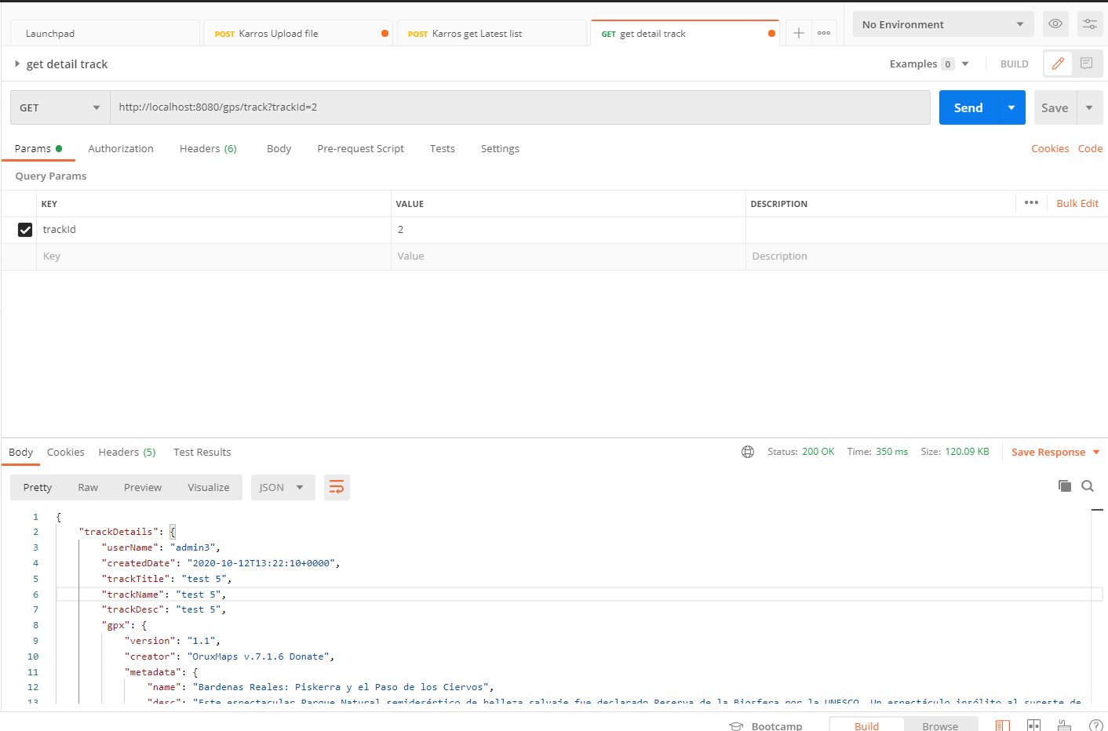
 | Use Case
Note
The track Id which you get after uploaded gps file
...



